No transfer learning
 | Training Accuracy |  |  | Training Accuracy |  |  | Training Accuracy |  |  | Training Accuracy |  |  | Training Accuracy |  |  | Training Accuracy |  |  | Training Accuracy |  |  | Training Accuracy |  |  | Training Accuracy |  |  | Training Accuracy |  |  | Training Accuracy |  |  | Training Accuracy |  |  | Training Accuracy |  |  | Training Accuracy |  |  | Training Accuracy
F02 | 0 | 0.890625 | F03 | 0 | 0.984375 | M04 | 0 | 0.96875 |  | 0 | 0.984375 |  | 0 | 0.953125 |  | 0 | 0.96875 |  | 0 | 0.890625 |  | 0 | 0.8125 |  | 0 | 0.890625 |  | 0 | 0.859375 |  | 0 | 0.65625 |  | 0 | 0.640625 |  | 0 | 0.1875 |  | 0 | 0.4375 |  | 0 | 0.3125
Acc: 55% | 1 | 0.90625 | Acc: 35% | 1 | 0.921875 | Acc: 6% | 1 | 0.953125 | M12 | 1 | 0.984375 | M01 | 1 | 0.9375 |  | 1 | 0.90625 | M16 | 0 | 0.90625 | M05 | 1 | 0.734375 | M11 | 1 | 0.84375 | F04 | 1 | 0.75 | M09 | 1 | 0.515625 | M14 | 1 | 0.453125 | M10 | 1 | 0.15625 | M08 | 1 | 0.390625 | F05 | 1 | 0.234375
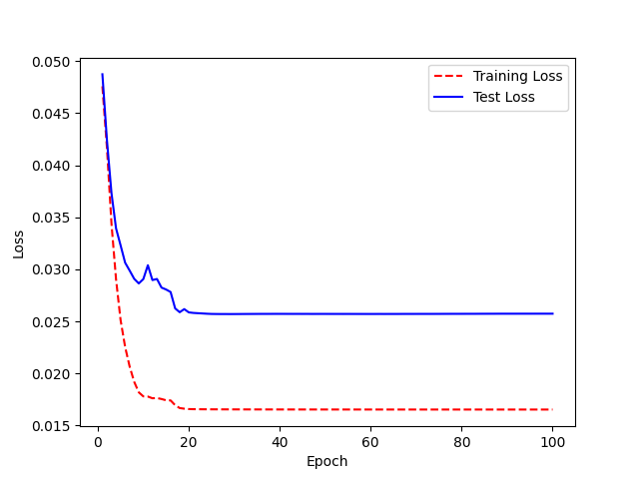
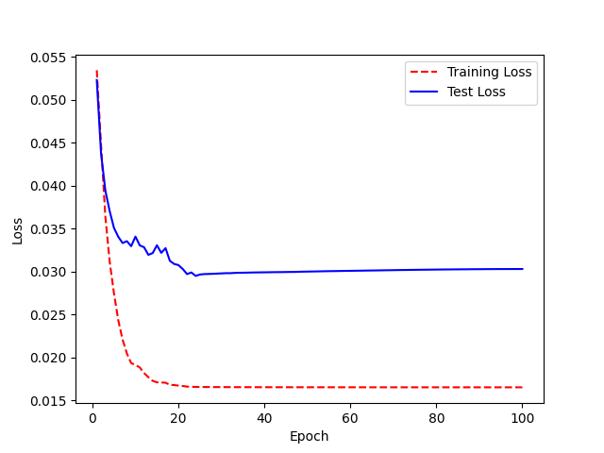
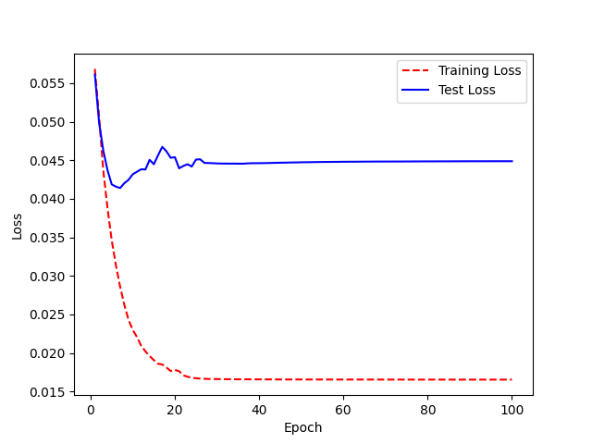
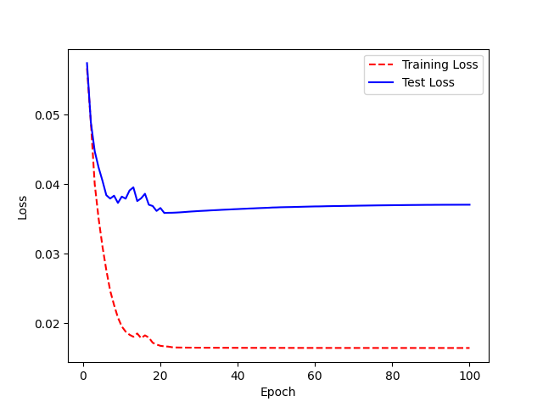
 | 2 | 0.84375 |  | 2 | 0.890625 |  | 2 | 0.953125 | Acc 21 % | 2 | 0.96875 | Acc: 27% | 2 | 0.921875 | M07 | 2 | 0.875 | Acc: 56% | 1 | 0.8125 | Acc: 54% | 2 | 0.75 | Acc: 43% | 2 | 0.859375 | Acc: 64% | 2 | 0.65625 | Acc: 79% | 2 | 0.390625 | Acc:76% | 2 | 0.453125 | Acc:90% | 2 | 0.140625 | Acc: 83% | 2 | 0.265625 | Acc:86% | 2 | 0.125
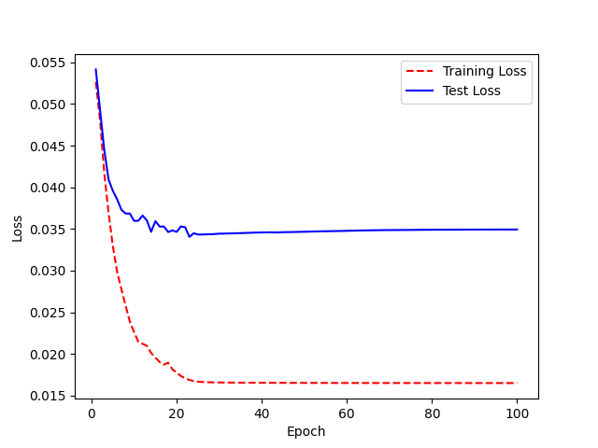

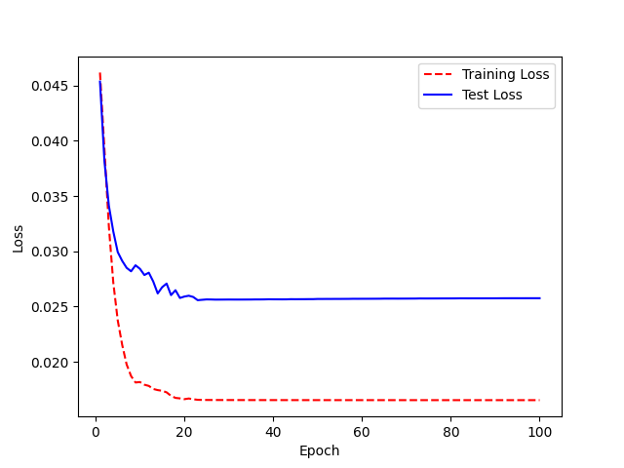
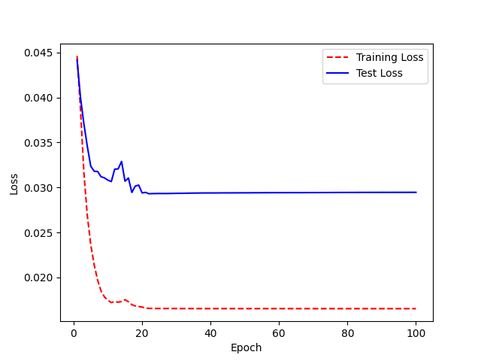
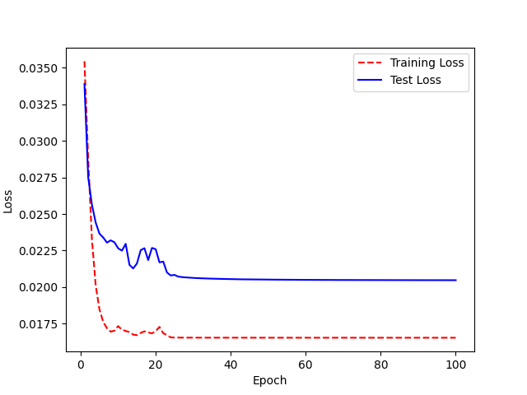
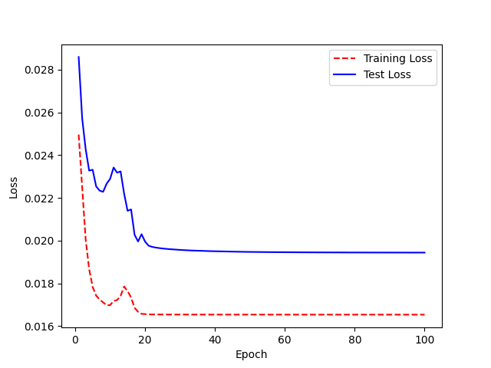
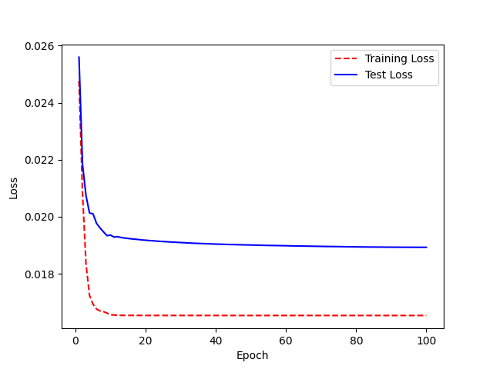
 | 3 | 0.828125 |  | 3 | 0.890625 |  | 3 | 0.953125 |  | 3 | 1 |  | 3 | 0.890625 | Acc: 53% | 3 | 0.8125 |  | 2 | 0.78125 |  | 3 | 0.734375 |  | 3 | 0.75 |  | 3 | 0.625 |  | 3 | 0.34375 |  | 3 | 0.421875 |  | 3 | 0.140625 |  | 3 | 0.296875 |  | 3 | 0.140625

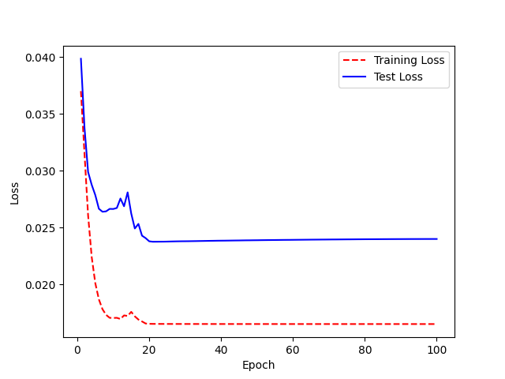
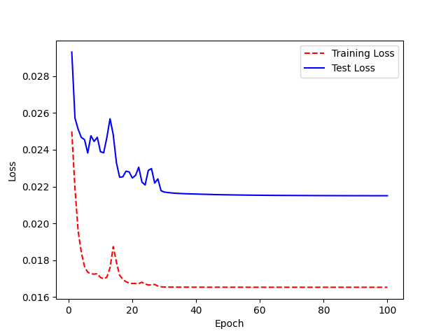
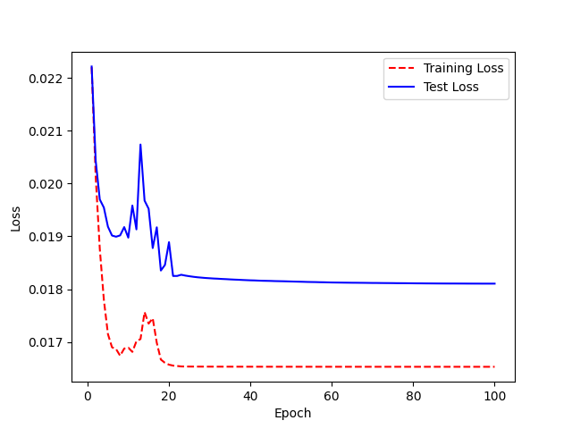
 | 4 | 0.765625 |  | 4 | 0.78125 |  | 4 | 0.96875 |  | 4 | 0.984375 |  | 4 | 0.84375 |  | 4 | 0.828125 |  | 3 | 0.734375 |  | 4 | 0.6875 |  | 4 | 0.765625 |  | 4 | 0.546875 |  | 4 | 0.328125 |  | 4 | 0.484375 |  | 4 | 0.125 |  | 4 | 0.328125 |  | 4 | 0.125
 | 5 | 0.75 |  | 5 | 0.75 |  | 5 | 0.9375 |  | 5 | 0.921875 |  | 5 | 0.875 |  | 5 | 0.765625 |  | 4 | 0.703125 |  | 5 | 0.671875 |  | 5 | 0.703125 |  | 5 | 0.453125 |  | 5 | 0.328125 |  | 5 | 0.46875 |  | 5 | 0.1875 |  | 5 | 0.3125 |  | 5 | 0.140625
 | 6 | 0.765625 |  | 6 | 0.78125 |  | 6 | 0.9375 |  | 6 | 0.921875 |  | 6 | 0.875 |  | 6 | 0.703125 |  | 5 | 0.625 |  | 6 | 0.625 |  | 6 | 0.6875 |  | 6 | 0.390625 |  | 6 | 0.3125 |  | 6 | 0.40625 |  | 6 | 0.125 |  | 6 | 0.34375 |  | 6 | 0.125
 | 7 | 0.65625 |  | 7 | 0.734375 |  | 7 | 0.96875 |  | 7 | 0.859375 |  | 7 | 0.828125 |  | 7 | 0.6875 |  | 6 | 0.609375 |  | 7 | 0.59375 |  | 7 | 0.6875 |  | 7 | 0.46875 |  | 7 | 0.359375 |  | 7 | 0.46875 |  | 7 | 0.15625 |  | 7 | 0.34375 |  | 7 | 0.09375
 | 8 | 0.671875 |  | 8 | 0.765625 |  | 8 | 0.96875 |  | 8 | 0.859375 |  | 8 | 0.8125 |  | 8 | 0.640625 |  | 7 | 0.578125 |  | 8 | 0.5625 |  | 8 | 0.671875 |  | 8 | 0.46875 |  | 8 | 0.34375 |  | 8 | 0.5 |  | 8 | 0.140625 |  | 8 | 0.359375 |  | 8 | 0.109375
 | 9 | 0.703125 |  | 9 | 0.671875 |  | 9 | 0.921875 |  | 9 | 0.84375 |  | 9 | 0.78125 |  | 9 | 0.671875 |  | 8 | 0.625 |  | 9 | 0.5625 |  | 9 | 0.703125 |  | 9 | 0.484375 |  | 9 | 0.328125 |  | 9 | 0.46875 |  | 9 | 0.109375 |  | 9 | 0.328125 |  | 9 | 0.109375
 | 10 | 0.75 |  | 10 | 0.71875 |  | 10 | 0.96875 |  | 10 | 0.8125 |  | 10 | 0.765625 |  | 10 | 0.6875 |  | 9 | 0.640625 |  | 10 | 0.484375 |  | 10 | 0.640625 |  | 10 | 0.421875 |  | 10 | 0.296875 |  | 10 | 0.453125 |  | 10 | 0.21875 |  | 10 | 0.25 |  | 10 | 0.09375
 | 11 | 0.734375 |  | 11 | 0.65625 |  | 11 | 0.96875 |  | 11 | 0.84375 |  | 11 | 0.78125 |  | 11 | 0.65625 |  | 10 | 0.625 |  | 11 | 0.5625 |  | 11 | 0.734375 |  | 11 | 0.484375 |  | 11 | 0.328125 |  | 11 | 0.5 |  | 11 | 0.1875 |  | 11 | 0.328125 |  | 11 | 0.09375
 | 12 | 0.6875 |  | 12 | 0.671875 |  | 12 | 0.953125 |  | 12 | 0.796875 |  | 12 | 0.796875 |  | 12 | 0.625 |  | 11 | 0.5625 |  | 12 | 0.46875 |  | 12 | 0.71875 |  | 12 | 0.46875 |  | 12 | 0.25 |  | 12 | 0.59375 |  | 12 | 0.15625 |  | 12 | 0.296875 |  | 12 | 0.09375
 | 13 | 0.625 |  | 13 | 0.625 |  | 13 | 0.953125 |  | 13 | 0.828125 |  | 13 | 0.65625 |  | 13 | 0.609375 |  | 12 | 0.671875 |  | 13 | 0.484375 |  | 13 | 0.671875 |  | 13 | 0.625 |  | 13 | 0.234375 |  | 13 | 0.46875 |  | 13 | 0.25 |  | 13 | 0.234375 |  | 13 | 0.109375
 | 14 | 0.609375 |  | 14 | 0.625 |  | 14 | 0.96875 |  | 14 | 0.859375 |  | 14 | 0.6875 |  | 14 | 0.578125 |  | 13 | 0.578125 |  | 14 | 0.5625 |  | 14 | 0.640625 |  | 14 | 0.53125 |  | 14 | 0.25 |  | 14 | 0.53125 |  | 14 | 0.15625 |  | 14 | 0.203125 |  | 14 | 0.109375
No transfer learning | 15 | 0.640625 |  | 15 | 0.65625 |  | 15 | 0.984375 |  | 15 | 0.828125 |  | 15 | 0.6875 |  | 15 | 0.65625 |  | 14 | 0.59375 |  | 15 | 0.46875 |  | 15 | 0.6875 |  | 15 | 0.4375 |  | 15 | 0.359375 |  | 15 | 0.4375 |  | 15 | 0.171875 |  | 15 | 0.234375 |  | 15 | 0.109375
Base model is LJSPEECH_NEWHYPER_Lencoderlayer12 | 16 | 0.59375 |  | 16 | 0.65625 |  | 16 | 0.953125 |  | 16 | 0.796875 |  | 16 | 0.71875 |  | 16 | 0.515625 |  | 15 | 0.46875 |  | 16 | 0.53125 |  | 16 | 0.6875 |  | 16 | 0.484375 |  | 16 | 0.328125 |  | 16 | 0.4375 |  | 16 | 0.171875 |  | 16 | 0.234375 |  | 16 | 0.109375
 | 17 | 0.625 |  | 17 | 0.53125 |  | 17 | 0.96875 |  | 17 | 0.75 |  | 17 | 0.6875 |  | 17 | 0.578125 |  | 16 | 0.515625 |  | 17 | 0.609375 |  | 17 | 0.71875 |  | 17 | 0.40625 |  | 17 | 0.234375 |  | 17 | 0.390625 |  | 17 | 0.078125 |  | 17 | 0.171875 |  | 17 | 0.109375
 | 18 | 0.546875 |  | 18 | 0.65625 |  | 18 | 0.9375 |  | 18 | 0.734375 |  | 18 | 0.703125 |  | 18 | 0.5625 |  | 17 | 0.53125 |  | 18 | 0.453125 |  | 18 | 0.765625 |  | 18 | 0.40625 |  | 18 | 0.328125 |  | 18 | 0.390625 |  | 18 | 0.109375 |  | 18 | 0.171875 |  | 18 | 0.109375
 | 19 | 0.515625 |  | 19 | 0.578125 |  | 19 | 0.984375 |  | 19 | 0.765625 |  | 19 | 0.625 |  | 19 | 0.53125 |  | 18 | 0.5 |  | 19 | 0.46875 |  | 19 | 0.671875 |  | 19 | 0.359375 |  | 19 | 0.265625 |  | 19 | 0.4375 |  | 19 | 0.078125 |  | 19 | 0.125 |  | 19 | 0.109375
 | 20 | 0.5 |  | 20 | 0.609375 |  | 20 | 0.96875 |  | 20 | 0.6875 |  | 20 | 0.734375 |  | 20 | 0.53125 |  | 19 | 0.5 |  | 20 | 0.46875 |  | 20 | 0.71875 |  | 20 | 0.359375 |  | 20 | 0.265625 |  | 20 | 0.421875 |  | 20 | 0.0625 |  | 20 | 0.140625 |  | 20 | 0.109375
 | 21 | 0.5 |  | 21 | 0.625 |  | 21 | 0.921875 |  | 21 | 0.671875 |  | 21 | 0.71875 |  | 21 | 0.53125 |  | 20 | 0.484375 |  | 21 | 0.515625 |  | 21 | 0.6875 |  | 21 | 0.375 |  | 21 | 0.328125 |  | 21 | 0.46875 |  | 21 | 0.078125 |  | 21 | 0.125 |  | 21 | 0.109375
 | 22 | 0.5 |  | 22 | 0.609375 |  | 22 | 0.921875 |  | 22 | 0.671875 |  | 22 | 0.671875 |  | 22 | 0.546875 |  | 21 | 0.515625 |  | 22 | 0.515625 |  | 22 | 0.703125 |  | 22 | 0.375 |  | 22 | 0.25 |  | 22 | 0.40625 |  | 22 | 0.109375 |  | 22 | 0.125 |  | 22 | 0.09375
 | 23 | 0.5 |  | 23 | 0.59375 |  | 23 | 0.90625 |  | 23 | 0.671875 |  | 23 | 0.703125 |  | 23 | 0.578125 |  | 22 | 0.578125 |  | 23 | 0.5 |  | 23 | 0.6875 |  | 23 | 0.375 |  | 23 | 0.234375 |  | 23 | 0.40625 |  | 23 | 0.09375 |  | 23 | 0.125 |  | 23 | 0.09375
 | 24 | 0.5 |  | 24 | 0.609375 |  | 24 | 0.953125 |  | 24 | 0.671875 |  | 24 | 0.71875 |  | 24 | 0.546875 |  | 23 | 0.453125 |  | 24 | 0.484375 |  | 24 | 0.671875 |  | 24 | 0.375 |  | 24 | 0.25 |  | 24 | 0.453125 |  | 24 | 0.09375 |  | 24 | 0.125 |  | 24 | 0.09375
 | 25 | 0.5 |  | 25 | 0.59375 |  | 25 | 0.921875 |  | 25 | 0.703125 |  | 25 | 0.6875 |  | 25 | 0.546875 |  | 24 | 0.421875 |  | 25 | 0.46875 |  | 25 | 0.671875 |  | 25 | 0.375 |  | 25 | 0.25 |  | 25 | 0.453125 |  | 25 | 0.09375 |  | 25 | 0.125 |  | 25 | 0.09375
 | 26 | 0.5 |  | 26 | 0.59375 |  | 26 | 0.953125 |  | 26 | 0.703125 |  | 26 | 0.6875 |  | 26 | 0.546875 |  | 25 | 0.4375 |  | 26 | 0.46875 |  | 26 | 0.65625 |  | 26 | 0.359375 |  | 26 | 0.234375 |  | 26 | 0.40625 |  | 26 | 0.09375 |  | 26 | 0.125 |  | 26 | 0.09375
 | 27 | 0.5 |  | 27 | 0.578125 |  | 27 | 0.9375 |  | 27 | 0.703125 |  | 27 | 0.703125 |  | 27 | 0.546875 |  | 26 | 0.453125 |  | 27 | 0.484375 |  | 27 | 0.65625 |  | 27 | 0.359375 |  | 27 | 0.234375 |  | 27 | 0.359375 |  | 27 | 0.09375 |  | 27 | 0.125 |  | 27 | 0.09375
 | 28 | 0.5 |  | 28 | 0.578125 |  | 28 | 0.9375 |  | 28 | 0.703125 |  | 28 | 0.6875 |  | 28 | 0.546875 |  | 27 | 0.46875 |  | 28 | 0.453125 |  | 28 | 0.65625 |  | 28 | 0.34375 |  | 28 | 0.234375 |  | 28 | 0.328125 |  | 28 | 0.09375 |  | 28 | 0.125 |  | 28 | 0.09375
 | 29 | 0.5 |  | 29 | 0.578125 |  | 29 | 0.9375 |  | 29 | 0.703125 |  | 29 | 0.6875 |  | 29 | 0.546875 |  | 28 | 0.421875 |  | 29 | 0.453125 |  | 29 | 0.65625 |  | 29 | 0.359375 |  | 29 | 0.234375 |  | 29 | 0.328125 |  | 29 | 0.09375 |  | 29 | 0.125 |  | 29 | 0.09375
 | 30 | 0.5 |  | 30 | 0.578125 |  | 30 | 0.953125 |  | 30 | 0.703125 |  | 30 | 0.6875 |  | 30 | 0.546875 |  | 29 | 0.4375 |  | 30 | 0.453125 |  | 30 | 0.65625 |  | 30 | 0.359375 |  | 30 | 0.21875 |  | 30 | 0.328125 |  | 30 | 0.09375 |  | 30 | 0.109375 |  | 30 | 0.09375
 | 31 | 0.5 |  | 31 | 0.578125 |  | 31 | 0.953125 |  | 31 | 0.703125 |  | 31 | 0.6875 |  | 31 | 0.546875 |  | 30 | 0.453125 |  | 31 | 0.453125 |  | 31 | 0.65625 |  | 31 | 0.359375 |  | 31 | 0.21875 |  | 31 | 0.328125 |  | 31 | 0.09375 |  | 31 | 0.109375 |  | 31 | 0.09375
 | 32 | 0.5 |  | 32 | 0.5625 |  | 32 | 0.953125 |  | 32 | 0.703125 |  | 32 | 0.6875 |  | 32 | 0.546875 |  | 31 | 0.453125 |  | 32 | 0.453125 |  | 32 | 0.65625 |  | 32 | 0.328125 |  | 32 | 0.21875 |  | 32 | 0.328125 |  | 32 | 0.09375 |  | 32 | 0.109375 |  | 32 | 0.09375
 | 33 | 0.5 |  | 33 | 0.5625 |  | 33 | 0.96875 |  | 33 | 0.703125 |  | 33 | 0.6875 |  | 33 | 0.546875 |  | 32 | 0.453125 |  | 33 | 0.453125 |  | 33 | 0.65625 |  | 33 | 0.328125 |  | 33 | 0.21875 |  | 33 | 0.328125 |  | 33 | 0.09375 |  | 33 | 0.109375 |  | 33 | 0.09375
 | 34 | 0.46875 |  | 34 | 0.5625 |  | 34 | 0.96875 |  | 34 | 0.703125 |  | 34 | 0.6875 |  | 34 | 0.546875 |  | 33 | 0.46875 |  | 34 | 0.453125 |  | 34 | 0.65625 |  | 34 | 0.328125 |  | 34 | 0.21875 |  | 34 | 0.328125 |  | 34 | 0.09375 |  | 34 | 0.109375 |  | 34 | 0.09375
 | 35 | 0.46875 |  | 35 | 0.578125 |  | 35 | 0.953125 |  | 35 | 0.703125 |  | 35 | 0.6875 |  | 35 | 0.546875 |  | 34 | 0.46875 |  | 35 | 0.453125 |  | 35 | 0.65625 |  | 35 | 0.328125 |  | 35 | 0.21875 |  | 35 | 0.328125 |  | 35 | 0.09375 |  | 35 | 0.109375 |  | 35 | 0.09375
 | 36 | 0.46875 |  | 36 | 0.59375 |  | 36 | 0.96875 |  | 36 | 0.703125 |  | 36 | 0.6875 |  | 36 | 0.546875 |  | 35 | 0.46875 |  | 36 | 0.453125 |  | 36 | 0.65625 |  | 36 | 0.328125 |  | 36 | 0.21875 |  | 36 | 0.328125 |  | 36 | 0.09375 |  | 36 | 0.109375 |  | 36 | 0.09375
 | 37 | 0.46875 |  | 37 | 0.59375 |  | 37 | 0.96875 |  | 37 | 0.703125 |  | 37 | 0.6875 |  | 37 | 0.546875 |  | 36 | 0.46875 |  | 37 | 0.453125 |  | 37 | 0.65625 |  | 37 | 0.328125 |  | 37 | 0.21875 |  | 37 | 0.328125 |  | 37 | 0.09375 |  | 37 | 0.109375 |  | 37 | 0.09375
 | 38 | 0.46875 |  | 38 | 0.609375 |  | 38 | 0.96875 |  | 38 | 0.703125 |  | 38 | 0.703125 |  | 38 | 0.546875 |  | 37 | 0.46875 |  | 38 | 0.453125 |  | 38 | 0.65625 |  | 38 | 0.328125 |  | 38 | 0.21875 |  | 38 | 0.328125 |  | 38 | 0.09375 |  | 38 | 0.109375 |  | 38 | 0.09375
 | 39 | 0.46875 |  | 39 | 0.609375 |  | 39 | 0.96875 |  | 39 | 0.703125 |  | 39 | 0.6875 |  | 39 | 0.546875 |  | 38 | 0.46875 |  | 39 | 0.453125 |  | 39 | 0.65625 |  | 39 | 0.328125 |  | 39 | 0.234375 |  | 39 | 0.328125 |  | 39 | 0.09375 |  | 39 | 0.109375 |  | 39 | 0.09375
 | 40 | 0.46875 |  | 40 | 0.609375 |  | 40 | 0.96875 |  | 40 | 0.71875 |  | 40 | 0.6875 |  | 40 | 0.546875 |  | 39 | 0.46875 |  | 40 | 0.453125 |  | 40 | 0.65625 |  | 40 | 0.328125 |  | 40 | 0.234375 |  | 40 | 0.328125 |  | 40 | 0.09375 |  | 40 | 0.109375 |  | 40 | 0.09375
 | 41 | 0.46875 |  | 41 | 0.609375 |  | 41 | 0.96875 |  | 41 | 0.71875 |  | 41 | 0.703125 |  | 41 | 0.546875 |  | 40 | 0.46875 |  | 41 | 0.46875 |  | 41 | 0.65625 |  | 41 | 0.328125 |  | 41 | 0.234375 |  | 41 | 0.328125 |  | 41 | 0.09375 |  | 41 | 0.125 |  | 41 | 0.09375
 | 42 | 0.46875 |  | 42 | 0.609375 |  | 42 | 0.96875 |  | 42 | 0.703125 |  | 42 | 0.71875 |  | 42 | 0.546875 |  | 41 | 0.46875 |  | 42 | 0.46875 |  | 42 | 0.65625 |  | 42 | 0.328125 |  | 42 | 0.234375 |  | 42 | 0.34375 |  | 42 | 0.09375 |  | 42 | 0.125 |  | 42 | 0.09375
 | 43 | 0.46875 |  | 43 | 0.609375 |  | 43 | 0.96875 |  | 43 | 0.703125 |  | 43 | 0.71875 |  | 43 | 0.546875 |  | 42 | 0.46875 |  | 43 | 0.46875 |  | 43 | 0.65625 |  | 43 | 0.328125 |  | 43 | 0.234375 |  | 43 | 0.34375 |  | 43 | 0.09375 |  | 43 | 0.125 |  | 43 | 0.09375
 | 44 | 0.46875 |  | 44 | 0.609375 |  | 44 | 0.96875 |  | 44 | 0.703125 |  | 44 | 0.71875 |  | 44 | 0.546875 |  | 43 | 0.46875 |  | 44 | 0.46875 |  | 44 | 0.65625 |  | 44 | 0.328125 |  | 44 | 0.234375 |  | 44 | 0.34375 |  | 44 | 0.09375 |  | 44 | 0.125 |  | 44 | 0.09375
 | 45 | 0.46875 |  | 45 | 0.609375 |  | 45 | 0.96875 |  | 45 | 0.703125 |  | 45 | 0.71875 |  | 45 | 0.53125 |  | 44 | 0.46875 |  | 45 | 0.46875 |  | 45 | 0.65625 |  | 45 | 0.328125 |  | 45 | 0.21875 |  | 45 | 0.34375 |  | 45 | 0.09375 |  | 45 | 0.125 |  | 45 | 0.09375
 | 46 | 0.46875 |  | 46 | 0.609375 |  | 46 | 0.96875 |  | 46 | 0.71875 |  | 46 | 0.71875 |  | 46 | 0.546875 |  | 45 | 0.46875 |  | 46 | 0.46875 |  | 46 | 0.65625 |  | 46 | 0.3125 |  | 46 | 0.203125 |  | 46 | 0.34375 |  | 46 | 0.09375 |  | 46 | 0.125 |  | 46 | 0.09375
 | 47 | 0.46875 |  | 47 | 0.609375 |  | 47 | 0.96875 |  | 47 | 0.71875 |  | 47 | 0.71875 |  | 47 | 0.546875 |  | 46 | 0.46875 |  | 47 | 0.46875 |  | 47 | 0.65625 |  | 47 | 0.328125 |  | 47 | 0.203125 |  | 47 | 0.34375 |  | 47 | 0.09375 |  | 47 | 0.125 |  | 47 | 0.09375
 | 48 | 0.46875 |  | 48 | 0.609375 |  | 48 | 0.96875 |  | 48 | 0.71875 |  | 48 | 0.71875 |  | 48 | 0.546875 |  | 47 | 0.46875 |  | 48 | 0.453125 |  | 48 | 0.65625 |  | 48 | 0.328125 |  | 48 | 0.203125 |  | 48 | 0.34375 |  | 48 | 0.09375 |  | 48 | 0.125 |  | 48 | 0.09375
 | 49 | 0.46875 |  | 49 | 0.609375 |  | 49 | 0.96875 |  | 49 | 0.71875 |  | 49 | 0.71875 |  | 49 | 0.53125 |  | 48 | 0.46875 |  | 49 | 0.4375 |  | 49 | 0.65625 |  | 49 | 0.328125 |  | 49 | 0.203125 |  | 49 | 0.34375 |  | 49 | 0.09375 |  | 49 | 0.125 |  | 49 | 0.09375
 | 50 | 0.46875 |  | 50 | 0.609375 |  | 50 | 0.96875 |  | 50 | 0.71875 |  | 50 | 0.71875 |  | 50 | 0.53125 |  | 49 | 0.46875 |  | 50 | 0.4375 |  | 50 | 0.65625 |  | 50 | 0.328125 |  | 50 | 0.203125 |  | 50 | 0.34375 |  | 50 | 0.09375 |  | 50 | 0.125 |  | 50 | 0.09375
 | 51 | 0.46875 |  | 51 | 0.609375 |  | 51 | 0.96875 |  | 51 | 0.71875 |  | 51 | 0.71875 |  | 51 | 0.53125 |  | 50 | 0.46875 |  | 51 | 0.4375 |  | 51 | 0.65625 |  | 51 | 0.328125 |  | 51 | 0.203125 |  | 51 | 0.34375 |  | 51 | 0.09375 |  | 51 | 0.125 |  | 51 | 0.09375
 | 52 | 0.46875 |  | 52 | 0.609375 |  | 52 | 0.96875 |  | 52 | 0.71875 |  | 52 | 0.71875 |  | 52 | 0.53125 |  | 51 | 0.46875 |  | 52 | 0.4375 |  | 52 | 0.65625 |  | 52 | 0.328125 |  | 52 | 0.203125 |  | 52 | 0.34375 |  | 52 | 0.09375 |  | 52 | 0.125 |  | 52 | 0.09375
 | 53 | 0.46875 |  | 53 | 0.609375 |  | 53 | 0.96875 |  | 53 | 0.71875 |  | 53 | 0.71875 |  | 53 | 0.515625 |  | 52 | 0.46875 |  | 53 | 0.4375 |  | 53 | 0.65625 |  | 53 | 0.328125 |  | 53 | 0.203125 |  | 53 | 0.34375 |  | 53 | 0.09375 |  | 53 | 0.125 |  | 53 | 0.09375
 | 54 | 0.46875 |  | 54 | 0.609375 |  | 54 | 0.96875 |  | 54 | 0.71875 |  | 54 | 0.71875 |  | 54 | 0.515625 |  | 53 | 0.46875 |  | 54 | 0.4375 |  | 54 | 0.65625 |  | 54 | 0.328125 |  | 54 | 0.203125 |  | 54 | 0.34375 |  | 54 | 0.09375 |  | 54 | 0.125 |  | 54 | 0.09375
 | 55 | 0.46875 |  | 55 | 0.609375 |  | 55 | 0.96875 |  | 55 | 0.71875 |  | 55 | 0.71875 |  | 55 | 0.515625 |  | 54 | 0.46875 |  | 55 | 0.4375 |  | 55 | 0.65625 |  | 55 | 0.328125 |  | 55 | 0.203125 |  | 55 | 0.34375 |  | 55 | 0.09375 |  | 55 | 0.125 |  | 55 | 0.09375
 | 56 | 0.46875 |  | 56 | 0.609375 |  | 56 | 0.96875 |  | 56 | 0.71875 |  | 56 | 0.71875 |  | 56 | 0.515625 |  | 55 | 0.46875 |  | 56 | 0.4375 |  | 56 | 0.65625 |  | 56 | 0.328125 |  | 56 | 0.1875 |  | 56 | 0.34375 |  | 56 | 0.078125 |  | 56 | 0.125 |  | 56 | 0.09375
 | 57 | 0.46875 |  | 57 | 0.609375 |  | 57 | 0.96875 |  | 57 | 0.71875 |  | 57 | 0.71875 |  | 57 | 0.515625 |  | 56 | 0.453125 |  | 57 | 0.4375 |  | 57 | 0.65625 |  | 57 | 0.328125 |  | 57 | 0.1875 |  | 57 | 0.34375 |  | 57 | 0.078125 |  | 57 | 0.125 |  | 57 | 0.09375
 | 58 | 0.46875 |  | 58 | 0.609375 |  | 58 | 0.96875 |  | 58 | 0.71875 |  | 58 | 0.71875 |  | 58 | 0.53125 |  | 57 | 0.453125 |  | 58 | 0.4375 |  | 58 | 0.65625 |  | 58 | 0.328125 |  | 58 | 0.1875 |  | 58 | 0.34375 |  | 58 | 0.078125 |  | 58 | 0.125 |  | 58 | 0.09375
 | 59 | 0.453125 |  | 59 | 0.609375 |  | 59 | 0.96875 |  | 59 | 0.71875 |  | 59 | 0.71875 |  | 59 | 0.53125 |  | 58 | 0.453125 |  | 59 | 0.453125 |  | 59 | 0.65625 |  | 59 | 0.328125 |  | 59 | 0.1875 |  | 59 | 0.34375 |  | 59 | 0.078125 |  | 59 | 0.125 |  | 59 | 0.09375
 | 60 | 0.453125 |  | 60 | 0.609375 |  | 60 | 0.96875 |  | 60 | 0.71875 |  | 60 | 0.71875 |  | 60 | 0.53125 |  | 59 | 0.453125 |  | 60 | 0.453125 |  | 60 | 0.65625 |  | 60 | 0.328125 |  | 60 | 0.1875 |  | 60 | 0.34375 |  | 60 | 0.078125 |  | 60 | 0.125 |  | 60 | 0.09375
 | 61 | 0.453125 |  | 61 | 0.609375 |  | 61 | 0.96875 |  | 61 | 0.703125 |  | 61 | 0.71875 |  | 61 | 0.53125 |  | 60 | 0.453125 |  | 61 | 0.453125 |  | 61 | 0.65625 |  | 61 | 0.328125 |  | 61 | 0.1875 |  | 61 | 0.34375 |  | 61 | 0.078125 |  | 61 | 0.125 |  | 61 | 0.09375
 | 62 | 0.453125 |  | 62 | 0.609375 |  | 62 | 0.96875 |  | 62 | 0.703125 |  | 62 | 0.71875 |  | 62 | 0.53125 |  | 61 | 0.453125 |  | 62 | 0.453125 |  | 62 | 0.65625 |  | 62 | 0.328125 |  | 62 | 0.1875 |  | 62 | 0.34375 |  | 62 | 0.078125 |  | 62 | 0.125 |  | 62 | 0.09375
 | 63 | 0.46875 |  | 63 | 0.609375 |  | 63 | 0.96875 |  | 63 | 0.703125 |  | 63 | 0.71875 |  | 63 | 0.53125 |  | 62 | 0.453125 |  | 63 | 0.453125 |  | 63 | 0.65625 |  | 63 | 0.328125 |  | 63 | 0.1875 |  | 63 | 0.34375 |  | 63 | 0.078125 |  | 63 | 0.125 |  | 63 | 0.09375
 | 64 | 0.46875 |  | 64 | 0.625 |  | 64 | 0.96875 |  | 64 | 0.703125 |  | 64 | 0.71875 |  | 64 | 0.53125 |  | 63 | 0.453125 |  | 64 | 0.453125 |  | 64 | 0.65625 |  | 64 | 0.328125 |  | 64 | 0.1875 |  | 64 | 0.34375 |  | 64 | 0.078125 |  | 64 | 0.125 |  | 64 | 0.09375
 | 65 | 0.46875 |  | 65 | 0.625 |  | 65 | 0.96875 |  | 65 | 0.703125 |  | 65 | 0.71875 |  | 65 | 0.53125 |  | 64 | 0.453125 |  | 65 | 0.453125 |  | 65 | 0.65625 |  | 65 | 0.328125 |  | 65 | 0.1875 |  | 65 | 0.34375 |  | 65 | 0.078125 |  | 65 | 0.125 |  | 65 | 0.09375
 | 66 | 0.46875 |  | 66 | 0.625 |  | 66 | 0.96875 |  | 66 | 0.703125 |  | 66 | 0.71875 |  | 66 | 0.53125 |  | 65 | 0.453125 |  | 66 | 0.453125 |  | 66 | 0.65625 |  | 66 | 0.328125 |  | 66 | 0.1875 |  | 66 | 0.34375 |  | 66 | 0.078125 |  | 66 | 0.125 |  | 66 | 0.09375
 | 67 | 0.46875 |  | 67 | 0.625 |  | 67 | 0.96875 |  | 67 | 0.703125 |  | 67 | 0.71875 |  | 67 | 0.53125 |  | 66 | 0.453125 |  | 67 | 0.453125 |  | 67 | 0.65625 |  | 67 | 0.328125 |  | 67 | 0.1875 |  | 67 | 0.34375 |  | 67 | 0.078125 |  | 67 | 0.125 |  | 67 | 0.09375
 | 68 | 0.46875 |  | 68 | 0.640625 |  | 68 | 0.96875 |  | 68 | 0.703125 |  | 68 | 0.703125 |  | 68 | 0.53125 |  | 67 | 0.453125 |  | 68 | 0.453125 |  | 68 | 0.65625 |  | 68 | 0.328125 |  | 68 | 0.1875 |  | 68 | 0.34375 |  | 68 | 0.078125 |  | 68 | 0.125 |  | 68 | 0.09375
 | 69 | 0.46875 |  | 69 | 0.625 |  | 69 | 0.96875 |  | 69 | 0.703125 |  | 69 | 0.703125 |  | 69 | 0.53125 |  | 68 | 0.453125 |  | 69 | 0.453125 |  | 69 | 0.65625 |  | 69 | 0.328125 |  | 69 | 0.1875 |  | 69 | 0.34375 |  | 69 | 0.078125 |  | 69 | 0.125 |  | 69 | 0.09375
 | 70 | 0.46875 |  | 70 | 0.625 |  | 70 | 0.96875 |  | 70 | 0.703125 |  | 70 | 0.703125 |  | 70 | 0.53125 |  | 69 | 0.453125 |  | 70 | 0.453125 |  | 70 | 0.65625 |  | 70 | 0.328125 |  | 70 | 0.1875 |  | 70 | 0.34375 |  | 70 | 0.078125 |  | 70 | 0.125 |  | 70 | 0.09375
 | 71 | 0.46875 |  | 71 | 0.640625 |  | 71 | 0.96875 |  | 71 | 0.703125 |  | 71 | 0.703125 |  | 71 | 0.53125 |  | 70 | 0.453125 |  | 71 | 0.453125 |  | 71 | 0.65625 |  | 71 | 0.328125 |  | 71 | 0.1875 |  | 71 | 0.34375 |  | 71 | 0.078125 |  | 71 | 0.125 |  | 71 | 0.09375
 | 72 | 0.46875 |  | 72 | 0.640625 |  | 72 | 0.96875 |  | 72 | 0.703125 |  | 72 | 0.703125 |  | 72 | 0.53125 |  | 71 | 0.453125 |  | 72 | 0.453125 |  | 72 | 0.65625 |  | 72 | 0.328125 |  | 72 | 0.1875 |  | 72 | 0.34375 |  | 72 | 0.078125 |  | 72 | 0.125 |  | 72 | 0.09375
 | 73 | 0.46875 |  | 73 | 0.640625 |  | 73 | 0.96875 |  | 73 | 0.703125 |  | 73 | 0.703125 |  | 73 | 0.53125 |  | 72 | 0.4375 |  | 73 | 0.453125 |  | 73 | 0.65625 |  | 73 | 0.328125 |  | 73 | 0.1875 |  | 73 | 0.34375 |  | 73 | 0.078125 |  | 73 | 0.125 |  | 73 | 0.09375
 | 74 | 0.46875 |  | 74 | 0.640625 |  | 74 | 0.96875 |  | 74 | 0.703125 |  | 74 | 0.703125 |  | 74 | 0.53125 |  | 73 | 0.4375 |  | 74 | 0.453125 |  | 74 | 0.65625 |  | 74 | 0.328125 |  | 74 | 0.1875 |  | 74 | 0.34375 |  | 74 | 0.078125 |  | 74 | 0.125 |  | 74 | 0.09375
 | 75 | 0.46875 |  | 75 | 0.640625 |  | 75 | 0.96875 |  | 75 | 0.703125 |  | 75 | 0.703125 |  | 75 | 0.515625 |  | 74 | 0.4375 |  | 75 | 0.453125 |  | 75 | 0.65625 |  | 75 | 0.328125 |  | 75 | 0.1875 |  | 75 | 0.34375 |  | 75 | 0.078125 |  | 75 | 0.125 |  | 75 | 0.09375
 | 76 | 0.46875 |  | 76 | 0.640625 |  | 76 | 0.96875 |  | 76 | 0.703125 |  | 76 | 0.703125 |  | 76 | 0.515625 |  | 75 | 0.4375 |  | 76 | 0.453125 |  | 76 | 0.65625 |  | 76 | 0.328125 |  | 76 | 0.1875 |  | 76 | 0.34375 |  | 76 | 0.078125 |  | 76 | 0.125 |  | 76 | 0.09375
 | 77 | 0.46875 |  | 77 | 0.640625 |  | 77 | 0.96875 |  | 77 | 0.703125 |  | 77 | 0.703125 |  | 77 | 0.515625 |  | 76 | 0.4375 |  | 77 | 0.453125 |  | 77 | 0.65625 |  | 77 | 0.328125 |  | 77 | 0.1875 |  | 77 | 0.34375 |  | 77 | 0.078125 |  | 77 | 0.125 |  | 77 | 0.09375
 | 78 | 0.46875 |  | 78 | 0.640625 |  | 78 | 0.96875 |  | 78 | 0.703125 |  | 78 | 0.703125 |  | 78 | 0.515625 |  | 77 | 0.4375 |  | 78 | 0.453125 |  | 78 | 0.65625 |  | 78 | 0.328125 |  | 78 | 0.1875 |  | 78 | 0.34375 |  | 78 | 0.078125 |  | 78 | 0.125 |  | 78 | 0.09375
 | 79 | 0.46875 |  | 79 | 0.640625 |  | 79 | 0.96875 |  | 79 | 0.703125 |  | 79 | 0.703125 |  | 79 | 0.515625 |  | 78 | 0.4375 |  | 79 | 0.453125 |  | 79 | 0.65625 |  | 79 | 0.328125 |  | 79 | 0.1875 |  | 79 | 0.34375 |  | 79 | 0.078125 |  | 79 | 0.125 |  | 79 | 0.09375
 | 80 | 0.46875 |  | 80 | 0.640625 |  | 80 | 0.96875 |  | 80 | 0.703125 |  | 80 | 0.703125 |  | 80 | 0.515625 |  | 79 | 0.4375 |  | 80 | 0.453125 |  | 80 | 0.65625 |  | 80 | 0.328125 |  | 80 | 0.1875 |  | 80 | 0.34375 |  | 80 | 0.078125 |  | 80 | 0.125 |  | 80 | 0.09375
 | 81 | 0.46875 |  | 81 | 0.640625 |  | 81 | 0.96875 |  | 81 | 0.703125 |  | 81 | 0.703125 |  | 81 | 0.515625 |  | 80 | 0.4375 |  | 81 | 0.453125 |  | 81 | 0.65625 |  | 81 | 0.328125 |  | 81 | 0.1875 |  | 81 | 0.34375 |  | 81 | 0.078125 |  | 81 | 0.125 |  | 81 | 0.09375
 | 82 | 0.46875 |  | 82 | 0.640625 |  | 82 | 0.96875 |  | 82 | 0.703125 |  | 82 | 0.703125 |  | 82 | 0.515625 |  | 81 | 0.4375 |  | 82 | 0.453125 |  | 82 | 0.65625 |  | 82 | 0.328125 |  | 82 | 0.1875 |  | 82 | 0.34375 |  | 82 | 0.078125 |  | 82 | 0.125 |  | 82 | 0.09375
 | 83 | 0.46875 |  | 83 | 0.640625 |  | 83 | 0.96875 |  | 83 | 0.703125 |  | 83 | 0.703125 |  | 83 | 0.515625 |  | 82 | 0.4375 |  | 83 | 0.453125 |  | 83 | 0.65625 |  | 83 | 0.328125 |  | 83 | 0.1875 |  | 83 | 0.34375 |  | 83 | 0.078125 |  | 83 | 0.125 |  | 83 | 0.09375
 | 84 | 0.46875 |  | 84 | 0.640625 |  | 84 | 0.96875 |  | 84 | 0.703125 |  | 84 | 0.6875 |  | 84 | 0.515625 |  | 83 | 0.4375 |  | 84 | 0.453125 |  | 84 | 0.65625 |  | 84 | 0.328125 |  | 84 | 0.1875 |  | 84 | 0.34375 |  | 84 | 0.078125 |  | 84 | 0.125 |  | 84 | 0.09375
 | 85 | 0.46875 |  | 85 | 0.640625 |  | 85 | 0.96875 |  | 85 | 0.703125 |  | 85 | 0.6875 |  | 85 | 0.515625 |  | 84 | 0.4375 |  | 85 | 0.453125 |  | 85 | 0.65625 |  | 85 | 0.328125 |  | 85 | 0.1875 |  | 85 | 0.34375 |  | 85 | 0.078125 |  | 85 | 0.125 |  | 85 | 0.09375
 | 86 | 0.46875 |  | 86 | 0.640625 |  | 86 | 0.96875 |  | 86 | 0.703125 |  | 86 | 0.6875 |  | 86 | 0.515625 |  | 85 | 0.4375 |  | 86 | 0.453125 |  | 86 | 0.65625 |  | 86 | 0.328125 |  | 86 | 0.1875 |  | 86 | 0.34375 |  | 86 | 0.078125 |  | 86 | 0.125 |  | 86 | 0.09375
 | 87 | 0.46875 |  | 87 | 0.640625 |  | 87 | 0.96875 |  | 87 | 0.703125 |  | 87 | 0.6875 |  | 87 | 0.515625 |  | 86 | 0.4375 |  | 87 | 0.453125 |  | 87 | 0.65625 |  | 87 | 0.328125 |  | 87 | 0.1875 |  | 87 | 0.34375 |  | 87 | 0.078125 |  | 87 | 0.125 |  | 87 | 0.09375
 | 88 | 0.46875 |  | 88 | 0.640625 |  | 88 | 0.96875 |  | 88 | 0.703125 |  | 88 | 0.6875 |  | 88 | 0.515625 |  | 87 | 0.4375 |  | 88 | 0.453125 |  | 88 | 0.65625 |  | 88 | 0.328125 |  | 88 | 0.1875 |  | 88 | 0.34375 |  | 88 | 0.078125 |  | 88 | 0.125 |  | 88 | 0.09375
 | 89 | 0.46875 |  | 89 | 0.640625 |  | 89 | 0.96875 |  | 89 | 0.703125 |  | 89 | 0.6875 |  | 89 | 0.515625 |  | 88 | 0.4375 |  | 89 | 0.453125 |  | 89 | 0.65625 |  | 89 | 0.328125 |  | 89 | 0.1875 |  | 89 | 0.34375 |  | 89 | 0.078125 |  | 89 | 0.125 |  | 89 | 0.09375
 | 90 | 0.46875 |  | 90 | 0.640625 |  | 90 | 0.96875 |  | 90 | 0.703125 |  | 90 | 0.6875 |  | 90 | 0.515625 |  | 89 | 0.4375 |  | 90 | 0.453125 |  | 90 | 0.65625 |  | 90 | 0.328125 |  | 90 | 0.1875 |  | 90 | 0.34375 |  | 90 | 0.078125 |  | 90 | 0.125 |  | 90 | 0.09375
 | 91 | 0.46875 |  | 91 | 0.640625 |  | 91 | 0.96875 |  | 91 | 0.703125 |  | 91 | 0.6875 |  | 91 | 0.515625 |  | 90 | 0.4375 |  | 91 | 0.453125 |  | 91 | 0.65625 |  | 91 | 0.328125 |  | 91 | 0.1875 |  | 91 | 0.34375 |  | 91 | 0.078125 |  | 91 | 0.125 |  | 91 | 0.09375
 | 92 | 0.46875 |  | 92 | 0.640625 |  | 92 | 0.96875 |  | 92 | 0.703125 |  | 92 | 0.6875 |  | 92 | 0.515625 |  | 91 | 0.4375 |  | 92 | 0.453125 |  | 92 | 0.65625 |  | 92 | 0.328125 |  | 92 | 0.1875 |  | 92 | 0.34375 |  | 92 | 0.078125 |  | 92 | 0.125 |  | 92 | 0.09375
 | 93 | 0.46875 |  | 93 | 0.640625 |  | 93 | 0.96875 |  | 93 | 0.703125 |  | 93 | 0.6875 |  | 93 | 0.515625 |  | 92 | 0.4375 |  | 93 | 0.453125 |  | 93 | 0.65625 |  | 93 | 0.328125 |  | 93 | 0.1875 |  | 93 | 0.34375 |  | 93 | 0.078125 |  | 93 | 0.125 |  | 93 | 0.09375
 | 94 | 0.46875 |  | 94 | 0.640625 |  | 94 | 0.96875 |  | 94 | 0.703125 |  | 94 | 0.6875 |  | 94 | 0.515625 |  | 93 | 0.4375 |  | 94 | 0.453125 |  | 94 | 0.65625 |  | 94 | 0.328125 |  | 94 | 0.1875 |  | 94 | 0.34375 |  | 94 | 0.078125 |  | 94 | 0.125 |  | 94 | 0.09375
 | 95 | 0.46875 |  | 95 | 0.640625 |  | 95 | 0.96875 |  | 95 | 0.703125 |  | 95 | 0.6875 |  | 95 | 0.515625 |  | 94 | 0.4375 |  | 95 | 0.453125 |  | 95 | 0.65625 |  | 95 | 0.328125 |  | 95 | 0.1875 |  | 95 | 0.34375 |  | 95 | 0.078125 |  | 95 | 0.125 |  | 95 | 0.09375
 | 96 | 0.46875 |  | 96 | 0.640625 |  | 96 | 0.953125 |  | 96 | 0.703125 |  | 96 | 0.6875 |  | 96 | 0.515625 |  | 95 | 0.4375 |  | 96 | 0.453125 |  | 96 | 0.65625 |  | 96 | 0.328125 |  | 96 | 0.1875 |  | 96 | 0.34375 |  | 96 | 0.078125 |  | 96 | 0.125 |  | 96 | 0.09375
 | 97 | 0.46875 |  | 97 | 0.640625 |  | 97 | 0.953125 |  | 97 | 0.703125 |  | 97 | 0.6875 |  | 97 | 0.515625 |  | 96 | 0.4375 |  | 97 | 0.453125 |  | 97 | 0.65625 |  | 97 | 0.328125 |  | 97 | 0.1875 |  | 97 | 0.34375 |  | 97 | 0.078125 |  | 97 | 0.125 |  | 97 | 0.09375
 | 98 | 0.46875 |  | 98 | 0.640625 |  | 98 | 0.953125 |  | 98 | 0.703125 |  | 98 | 0.6875 |  | 98 | 0.515625 |  | 97 | 0.4375 |  | 98 | 0.453125 |  | 98 | 0.65625 |  | 98 | 0.328125 |  | 98 | 0.1875 |  | 98 | 0.34375 |  | 98 | 0.078125 |  | 98 | 0.125 |  | 98 | 0.09375
 | 99 | 0.46875 |  | 99 | 0.640625 |  | 99 | 0.953125 |  | 99 | 0.703125 |  | 99 | 0.6875 |  | 99 | 0.515625 |  | 98 | 0.4375 |  | 99 | 0.453125 |  | 99 | 0.65625 |  | 99 | 0.328125 |  | 99 | 0.1875 |  | 99 | 0.34375 |  | 99 | 0.078125 |  | 99 | 0.125 |  | 99 | 0.09375
 |  |  |  |  |  |  |  |  |  |  |  |  |  |  |  |  |  |  | 99 | 0.4375

Transfer_Learning Final
Freeze last decoder layer | M04 | Training Accuracy |  | F03 | Training Accuracy |  | M12 | Training Accuracy |  | M01 | Training Accuracy |  | M07 | Training Accuracy |  | F02 | Training Accuracy |  | M16 | Training Accuracy |  | M05 | Training Accuracy |  | M11 |  | Training Accuracy |  |  | F04 | Training Accuracy |  |  | M09 | Training Accuracy |  |  | M14 | Training Accuracy |  |  | M10 | Training Accuracy |  |  | M08 | Training Accuracy |  |  | F05 | Training Accuracy
((model.layers)[8]) |  | 0 | 0.984375 |  | 0 | 0.984375 |  | 0 | 0.96875 |  | 0 | 0.953125 |  | 0 | 0.953125 |  | 0 | 0.890625 |  | 0 | 0.890625 |  | 0 | 0.8125 |  |  | 0 | 0.890625 |  |  | 0 | 0.859375 |  |  | 0 | 0.65625 |  |  | 0 | 0.640625 |  |  | 0 | 0.3125 |  |  | 0 | 0.375 |  |  | 0 | 0.421875
 | Accuracy: 7% | 1 | 0.96875 | Accuracy: 34% | 1 | 0.9375 | Accuracy: 24% | 1 | 0.984375 | Accuracy:31% | 1 | 0.9375 | ((model.enc_input.conv3)).trainable = False | 1 | 0.921875 | ((model.encoder.layers)[1]).trainable = False | 1 | 0.890625 | ((model.encoder.layers)[1]).trainable = False | 1 | 0.875 | ((model.encoder.layers)[2]).trainable = False | 1 | 0.78125 | ((model.encoder.layers)[2]).trainable = False |  | 1 | 0.84375 | ((model.layers)[8]).trainable = False |  | 1 | 0.765625 | ((model.layers)[8]).trainable = False |  | 1 | 0.453125 | ((model.encoder.layers)[1]).trainable = False |  | 1 | 0.453125 |  | Accuracy:89% | 1 | 0.234375 |  |  | 1 | 0.328125 |  | Acc:89% | 1 | 0.265625
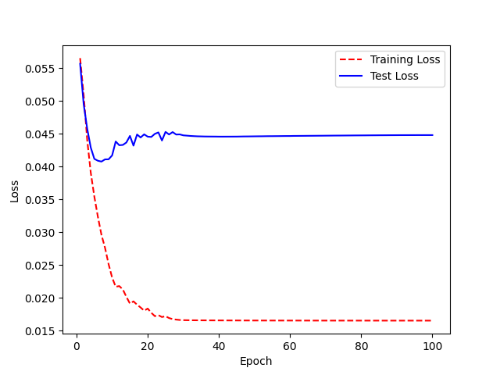

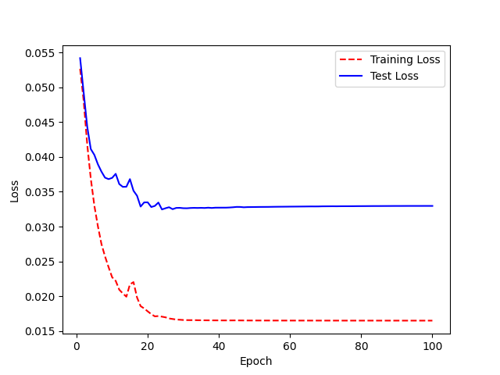
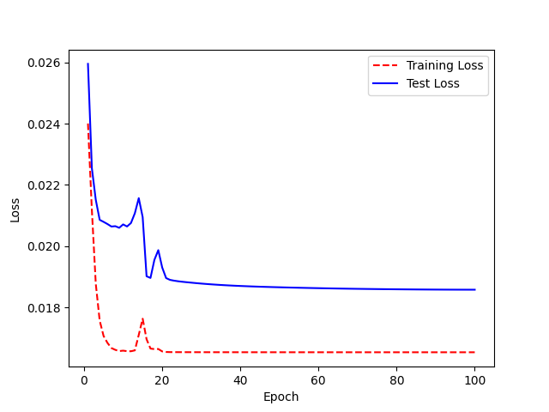
 |  | 2 | 0.96875 |  | 2 | 0.90625 |  | 2 | 0.96875 |  | 2 | 0.921875 |  | 2 | 0.859375 | Accuracy: 52% | 2 | 0.875 | Accuracy: 51% | 2 | 0.75 |  | 2 | 0.78125 |  | Accuracy: 45% | 2 | 0.859375 |  |  | 2 | 0.640625 |  |  | 2 | 0.4375 |  | Accuracy: 76% | 2 | 0.453125 |  |  | 2 | 0.1875 |  | Acc: 83% | 2 | 0.328125 |  |  | 2 | 0.25
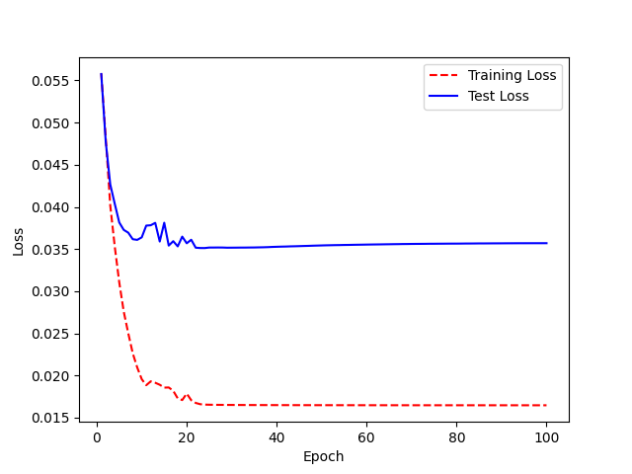
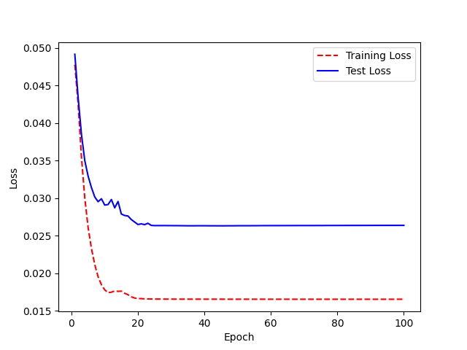
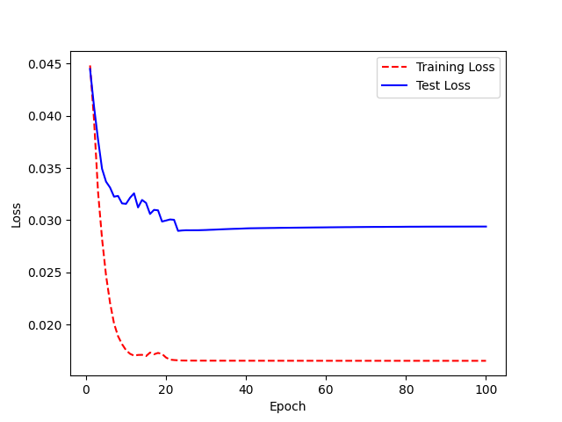
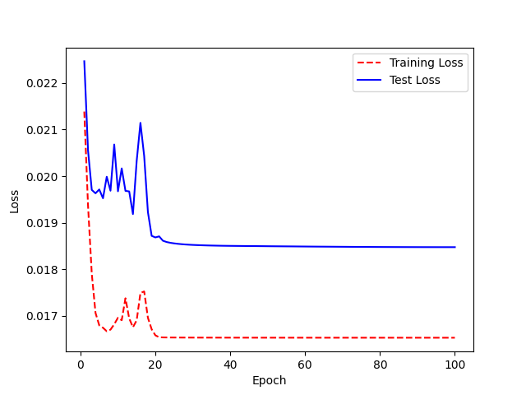
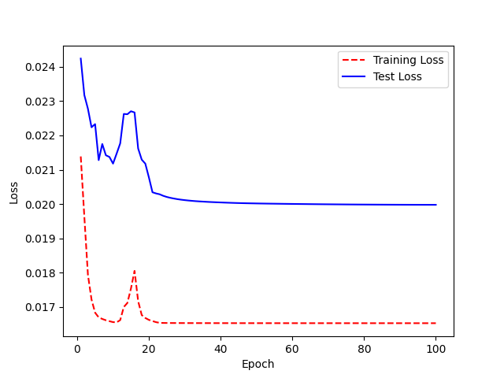
 |  | 3 | 0.984375 |  | 3 | 0.84375 |  | 3 | 0.9375 |  | 3 | 0.9375 | Accuracy: 56% | 3 | 0.796875 |  | 3 | 0.84375 |  | 3 | 0.734375 | Accuracy 55% | 3 | 0.78125 |  |  | 3 | 0.84375 |  | Accuracy=63% | 3 | 0.578125 |  | Accuracy: 79% | 3 | 0.359375 |  |  | 3 | 0.4375 |  |  | 3 | 0.1875 |  |  | 3 | 0.296875 |  |  | 3 | 0.203125
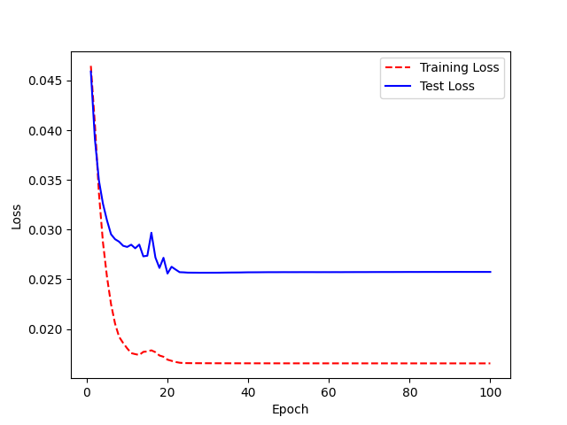
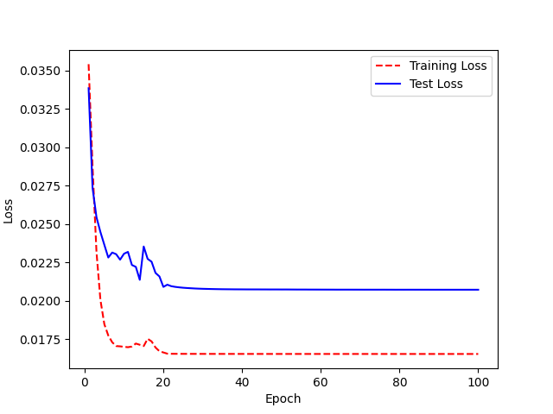
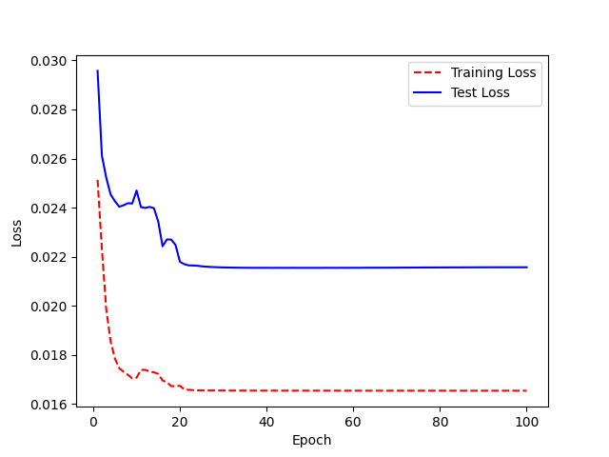
 |  | 4 | 0.96875 |  | 4 | 0.765625 |  | 4 | 0.953125 |  | 4 | 0.875 |  | 4 | 0.734375 |  | 4 | 0.8125 |  | 4 | 0.671875 |  | 4 | 0.734375 |  |  | 4 | 0.71875 |  |  | 4 | 0.59375 |  |  | 4 | 0.34375 |  |  | 4 | 0.453125 |  |  | 4 | 0.203125 |  |  | 4 | 0.296875 |  |  | 4 | 0.21875


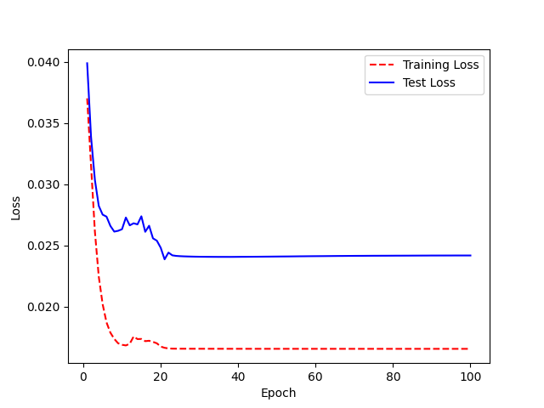
 |  | 5 | 0.9375 |  | 5 | 0.75 |  | 5 | 0.921875 |  | 5 | 0.859375 |  | 5 | 0.6875 |  | 5 | 0.828125 |  | 5 | 0.609375 |  | 5 | 0.703125 |  |  | 5 | 0.71875 |  |  | 5 | 0.5625 |  |  | 5 | 0.375 |  |  | 5 | 0.453125 |  |  | 5 | 0.203125 |  |  | 5 | 0.234375 |  |  | 5 | 0.21875
 |  | 6 | 0.921875 |  | 6 | 0.765625 |  | 6 | 0.890625 |  | 6 | 0.828125 |  | 6 | 0.609375 |  | 6 | 0.75 |  | 6 | 0.625 |  | 6 | 0.65625 |  |  | 6 | 0.734375 |  |  | 6 | 0.5625 |  |  | 6 | 0.34375 |  |  | 6 | 0.46875 |  |  | 6 | 0.203125 |  |  | 6 | 0.28125 |  |  | 6 | 0.234375
 |  | 7 | 0.9375 |  | 7 | 0.75 |  | 7 | 0.84375 |  | 7 | 0.859375 |  | 7 | 0.609375 |  | 7 | 0.703125 |  | 7 | 0.640625 |  | 7 | 0.703125 |  |  | 7 | 0.75 |  |  | 7 | 0.4375 |  |  | 7 | 0.390625 |  |  | 7 | 0.46875 |  |  | 7 | 0.21875 |  |  | 7 | 0.25 |  |  | 7 | 0.28125
 |  | 8 | 0.9375 |  | 8 | 0.625 |  | 8 | 0.859375 |  | 8 | 0.84375 |  | 8 | 0.640625 |  | 8 | 0.75 |  | 8 | 0.5625 |  | 8 | 0.640625 |  |  | 8 | 0.671875 |  |  | 8 | 0.4375 |  |  | 8 | 0.296875 |  |  | 8 | 0.46875 |  |  | 8 | 0.203125 |  |  | 8 | 0.25 |  |  | 8 | 0.296875
 |  | 9 | 0.9375 |  | 9 | 0.75 |  | 9 | 0.84375 |  | 9 | 0.765625 |  | 9 | 0.625 |  | 9 | 0.703125 |  | 9 | 0.625 |  | 9 | 0.640625 |  |  | 9 | 0.65625 |  |  | 9 | 0.484375 |  |  | 9 | 0.34375 |  |  | 9 | 0.53125 |  |  | 9 | 0.140625 |  |  | 9 | 0.25 | ((model.encoder.layers)[2]).trainable = False |  | 9 | 0.28125
 |  | 10 | 0.96875 |  | 10 | 0.671875 |  | 10 | 0.796875 |  | 10 | 0.78125 |  | 10 | 0.625 |  | 10 | 0.71875 |  | 10 | 0.703125 |  | 10 | 0.578125 |  |  | 10 | 0.6875 |  |  | 10 | 0.484375 |  |  | 10 | 0.34375 |  |  | 10 | 0.515625 | ((model.layers)[8]).trainable = False |  | 10 | 0.15625 | ((model.encoder.layers)[2]).trainable = False |  | 10 | 0.25 | ((model.layers)[8]).trainable = False |  | 10 | 0.234375
 |  | 11 | 0.921875 |  | 11 | 0.703125 |  | 11 | 0.828125 |  | 11 | 0.734375 |  | 11 | 0.5625 |  | 11 | 0.75 |  | 11 | 0.640625 |  | 11 | 0.703125 |  |  | 11 | 0.703125 |  |  | 11 | 0.390625 |  |  | 11 | 0.359375 |  |  | 11 | 0.484375 |  |  | 11 | 0.140625 | ((model.layers)[8]).trainable = False |  | 11 | 0.265625 |  |  | 11 | 0.25
 |  | 12 | 0.953125 |  | 12 | 0.65625 |  | 12 | 0.859375 |  | 12 | 0.765625 |  | 12 | 0.5625 |  | 12 | 0.734375 |  | 12 | 0.609375 |  | 12 | 0.65625 |  |  | 12 | 0.640625 |  |  | 12 | 0.5625 |  |  | 12 | 0.3125 |  |  | 12 | 0.484375 |  |  | 12 | 0.140625 |  |  | 12 | 0.359375 |  |  | 12 | 0.234375
LJSPEECH_NEWHYPER_TransferLearning2_M04 |  | 13 | 0.9375 |  | 13 | 0.671875 |  | 13 | 0.796875 |  | 13 | 0.703125 |  | 13 | 0.609375 |  | 13 | 0.71875 |  | 13 | 0.65625 |  | 13 | 0.59375 |  |  | 13 | 0.671875 |  |  | 13 | 0.5 |  |  | 13 | 0.21875 |  |  | 13 | 0.46875 |  |  | 13 | 0.125 |  |  | 13 | 0.328125 |  |  | 13 | 0.265625
 |  | 14 | 0.953125 |  | 14 | 0.6875 |  | 14 | 0.828125 |  | 14 | 0.8125 |  | 14 | 0.546875 |  | 14 | 0.671875 |  | 14 | 0.59375 |  | 14 | 0.578125 |  |  | 14 | 0.65625 |  |  | 14 | 0.5 |  |  | 14 | 0.34375 |  |  | 14 | 0.46875 |  |  | 14 | 0.15625 |  |  | 14 | 0.296875 |  |  | 14 | 0.25
 |  | 15 | 0.984375 |  | 15 | 0.578125 |  | 15 | 0.78125 |  | 15 | 0.765625 | LJSPEECH_NEWHYPER_TransferLearning2_M07 | 15 | 0.5625 |  | 15 | 0.6875 |  | 15 | 0.546875 |  | 15 | 0.5625 |  |  | 15 | 0.609375 |  |  | 15 | 0.453125 |  |  | 15 | 0.359375 |  |  | 15 | 0.5 |  |  | 15 | 0.328125 |  |  | 15 | 0.265625 |  |  | 15 | 0.15625
 |  | 16 | 0.96875 |  | 16 | 0.515625 |  | 16 | 0.765625 |  | 16 | 0.75 |  | 16 | 0.59375 |  | 16 | 0.640625 |  | 16 | 0.5625 |  | 16 | 0.5625 |  |  | 16 | 0.578125 |  |  | 16 | 0.484375 |  |  | 16 | 0.25 |  |  | 16 | 0.625 |  |  | 16 | 0.203125 |  |  | 16 | 0.40625 |  |  | 16 | 0.125
 |  | 17 | 0.953125 |  | 17 | 0.5625 |  | 17 | 0.75 |  | 17 | 0.75 |  | 17 | 0.515625 |  | 17 | 0.65625 |  | 17 | 0.59375 |  | 17 | 0.515625 |  |  | 17 | 0.640625 |  |  | 17 | 0.453125 |  |  | 17 | 0.28125 |  |  | 17 | 0.515625 |  |  | 17 | 0.171875 |  |  | 17 | 0.28125 |  |  | 17 | 0.15625
 |  | 18 | 1 |  | 18 | 0.609375 |  | 18 | 0.75 |  | 18 | 0.734375 |  | 18 | 0.515625 |  | 18 | 0.609375 |  | 18 | 0.5625 |  | 18 | 0.609375 |  |  | 18 | 0.625 |  |  | 18 | 0.421875 |  |  | 18 | 0.234375 |  |  | 18 | 0.46875 |  |  | 18 | 0.125 |  |  | 18 | 0.25 |  |  | 18 | 0.15625
 |  | 19 | 0.921875 |  | 19 | 0.625 |  | 19 | 0.8125 |  | 19 | 0.65625 |  | 19 | 0.53125 |  | 19 | 0.59375 |  | 19 | 0.546875 |  | 19 | 0.46875 |  |  | 19 | 0.703125 |  |  | 19 | 0.375 |  |  | 19 | 0.234375 |  |  | 19 | 0.453125 |  |  | 19 | 0.140625 |  |  | 19 | 0.28125 |  |  | 19 | 0.15625
 |  | 20 | 0.9375 |  | 20 | 0.578125 |  | 20 | 0.765625 |  | 20 | 0.671875 |  | 20 | 0.53125 |  | 20 | 0.59375 |  | 20 | 0.515625 |  | 20 | 0.46875 |  |  | 20 | 0.625 |  |  | 20 | 0.328125 |  |  | 20 | 0.21875 |  |  | 20 | 0.5 |  |  | 20 | 0.15625 |  |  | 20 | 0.203125 |  |  | 20 | 0.125
 |  | 21 | 1 |  | 21 | 0.578125 |  | 21 | 0.703125 |  | 21 | 0.59375 |  | 21 | 0.53125 |  | 21 | 0.578125 |  | 21 | 0.5625 |  | 21 | 0.515625 |  |  | 21 | 0.65625 |  |  | 21 | 0.375 |  |  | 21 | 0.21875 |  |  | 21 | 0.40625 |  |  | 21 | 0.109375 |  |  | 21 | 0.1875 |  |  | 21 | 0.125
 |  | 22 | 0.96875 |  | 22 | 0.578125 |  | 22 | 0.703125 |  | 22 | 0.703125 |  | 22 | 0.484375 |  | 22 | 0.578125 |  | 22 | 0.578125 |  | 22 | 0.484375 |  |  | 22 | 0.671875 |  |  | 22 | 0.34375 |  |  | 22 | 0.21875 |  |  | 22 | 0.421875 |  |  | 22 | 0.109375 |  |  | 22 | 0.203125 |  |  | 22 | 0.125
 |  | 23 | 0.9375 |  | 23 | 0.53125 |  | 23 | 0.6875 |  | 23 | 0.640625 |  | 23 | 0.453125 |  | 23 | 0.578125 |  | 23 | 0.5625 |  | 23 | 0.453125 |  |  | 23 | 0.640625 |  |  | 23 | 0.34375 |  |  | 23 | 0.21875 |  |  | 23 | 0.375 |  |  | 23 | 0.09375 |  |  | 23 | 0.203125 |  |  | 23 | 0.125
 |  | 24 | 0.984375 |  | 24 | 0.53125 |  | 24 | 0.6875 |  | 24 | 0.578125 |  | 24 | 0.484375 |  | 24 | 0.5625 |  | 24 | 0.5625 |  | 24 | 0.453125 |  |  | 24 | 0.65625 |  |  | 24 | 0.34375 |  |  | 24 | 0.203125 |  |  | 24 | 0.40625 |  |  | 24 | 0.09375 |  |  | 24 | 0.203125 |  |  | 24 | 0.125
 |  | 25 | 0.984375 |  | 25 | 0.53125 |  | 25 | 0.703125 |  | 25 | 0.609375 |  | 25 | 0.484375 |  | 25 | 0.578125 |  | 25 | 0.5625 |  | 25 | 0.453125 |  |  | 25 | 0.65625 |  |  | 25 | 0.34375 |  |  | 25 | 0.203125 |  |  | 25 | 0.375 |  |  | 25 | 0.09375 |  |  | 25 | 0.203125 |  |  | 25 | 0.109375
 |  | 26 | 0.9375 |  | 26 | 0.515625 |  | 26 | 0.703125 |  | 26 | 0.625 |  | 26 | 0.484375 |  | 26 | 0.578125 |  | 26 | 0.5625 |  | 26 | 0.453125 |  |  | 26 | 0.65625 |  |  | 26 | 0.34375 |  |  | 26 | 0.203125 |  |  | 26 | 0.390625 |  |  | 26 | 0.09375 |  |  | 26 | 0.203125 |  |  | 26 | 0.109375
 |  | 27 | 0.921875 |  | 27 | 0.53125 |  | 27 | 0.703125 |  | 27 | 0.59375 |  | 27 | 0.46875 |  | 27 | 0.578125 |  | 27 | 0.578125 |  | 27 | 0.4375 |  |  | 27 | 0.65625 |  |  | 27 | 0.34375 |  |  | 27 | 0.203125 |  |  | 27 | 0.390625 |  |  | 27 | 0.09375 |  |  | 27 | 0.203125 |  |  | 27 | 0.109375
 |  | 28 | 0.953125 |  | 28 | 0.53125 |  | 28 | 0.703125 |  | 28 | 0.625 |  | 28 | 0.46875 |  | 28 | 0.578125 |  | 28 | 0.578125 |  | 28 | 0.4375 |  |  | 28 | 0.65625 |  |  | 28 | 0.34375 |  |  | 28 | 0.203125 |  |  | 28 | 0.40625 |  |  | 28 | 0.09375 |  |  | 28 | 0.203125 |  |  | 28 | 0.109375
 |  | 29 | 0.9375 |  | 29 | 0.53125 |  | 29 | 0.703125 |  | 29 | 0.609375 |  | 29 | 0.453125 |  | 29 | 0.578125 |  | 29 | 0.578125 |  | 29 | 0.453125 |  |  | 29 | 0.65625 |  |  | 29 | 0.34375 |  |  | 29 | 0.203125 |  |  | 29 | 0.40625 |  |  | 29 | 0.09375 |  |  | 29 | 0.203125 |  |  | 29 | 0.109375
 |  | 30 | 0.9375 |  | 30 | 0.53125 |  | 30 | 0.703125 |  | 30 | 0.609375 |  | 30 | 0.453125 |  | 30 | 0.5625 |  | 30 | 0.5625 |  | 30 | 0.453125 |  |  | 30 | 0.640625 |  |  | 30 | 0.34375 |  |  | 30 | 0.203125 |  |  | 30 | 0.40625 |  |  | 30 | 0.09375 |  |  | 30 | 0.203125 |  |  | 30 | 0.109375
 |  | 31 | 0.9375 |  | 31 | 0.53125 |  | 31 | 0.703125 |  | 31 | 0.609375 |  | 31 | 0.453125 |  | 31 | 0.5625 |  | 31 | 0.5625 |  | 31 | 0.453125 |  |  | 31 | 0.640625 |  |  | 31 | 0.34375 |  |  | 31 | 0.203125 |  |  | 31 | 0.390625 |  |  | 31 | 0.09375 |  |  | 31 | 0.203125 |  |  | 31 | 0.109375
 |  | 32 | 0.9375 |  | 32 | 0.53125 |  | 32 | 0.703125 |  | 32 | 0.625 |  | 32 | 0.46875 |  | 32 | 0.5625 |  | 32 | 0.5625 |  | 32 | 0.453125 |  |  | 32 | 0.640625 |  |  | 32 | 0.34375 |  |  | 32 | 0.203125 |  |  | 32 | 0.390625 |  |  | 32 | 0.09375 |  |  | 32 | 0.203125 |  |  | 32 | 0.109375
 |  | 33 | 0.9375 |  | 33 | 0.546875 |  | 33 | 0.703125 |  | 33 | 0.609375 |  | 33 | 0.453125 |  | 33 | 0.5625 |  | 33 | 0.5625 |  | 33 | 0.453125 |  |  | 33 | 0.640625 |  |  | 33 | 0.34375 |  |  | 33 | 0.203125 |  |  | 33 | 0.390625 |  |  | 33 | 0.09375 |  |  | 33 | 0.203125 |  |  | 33 | 0.109375
 |  | 34 | 0.9375 |  | 34 | 0.546875 |  | 34 | 0.703125 |  | 34 | 0.609375 |  | 34 | 0.453125 |  | 34 | 0.5625 |  | 34 | 0.546875 |  | 34 | 0.453125 |  |  | 34 | 0.640625 |  |  | 34 | 0.34375 |  |  | 34 | 0.203125 |  |  | 34 | 0.390625 |  |  | 34 | 0.09375 |  |  | 34 | 0.203125 |  |  | 34 | 0.109375
 |  | 35 | 0.9375 |  | 35 | 0.5625 |  | 35 | 0.703125 |  | 35 | 0.625 |  | 35 | 0.453125 |  | 35 | 0.5625 |  | 35 | 0.546875 |  | 35 | 0.453125 |  |  | 35 | 0.640625 |  |  | 35 | 0.34375 |  |  | 35 | 0.203125 |  |  | 35 | 0.390625 |  |  | 35 | 0.09375 |  |  | 35 | 0.203125 |  |  | 35 | 0.109375
 |  | 36 | 0.9375 |  | 36 | 0.5625 |  | 36 | 0.703125 |  | 36 | 0.640625 |  | 36 | 0.453125 |  | 36 | 0.5625 |  | 36 | 0.546875 |  | 36 | 0.453125 |  |  | 36 | 0.640625 |  |  | 36 | 0.34375 |  |  | 36 | 0.203125 |  |  | 36 | 0.390625 |  |  | 36 | 0.09375 |  |  | 36 | 0.203125 |  |  | 36 | 0.109375
 |  | 37 | 0.9375 |  | 37 | 0.5625 |  | 37 | 0.71875 |  | 37 | 0.625 |  | 37 | 0.453125 |  | 37 | 0.5625 |  | 37 | 0.546875 |  | 37 | 0.453125 |  |  | 37 | 0.65625 |  |  | 37 | 0.34375 |  |  | 37 | 0.203125 |  |  | 37 | 0.375 |  |  | 37 | 0.09375 |  |  | 37 | 0.203125 |  |  | 37 | 0.109375
 |  | 38 | 0.9375 |  | 38 | 0.5625 |  | 38 | 0.71875 |  | 38 | 0.625 |  | 38 | 0.453125 |  | 38 | 0.546875 |  | 38 | 0.546875 |  | 38 | 0.453125 |  |  | 38 | 0.65625 |  |  | 38 | 0.34375 |  |  | 38 | 0.203125 |  |  | 38 | 0.375 |  |  | 38 | 0.09375 |  |  | 38 | 0.203125 |  |  | 38 | 0.109375
 |  | 39 | 0.9375 |  | 39 | 0.5625 |  | 39 | 0.71875 |  | 39 | 0.625 |  | 39 | 0.453125 |  | 39 | 0.546875 |  | 39 | 0.546875 |  | 39 | 0.453125 |  |  | 39 | 0.65625 |  |  | 39 | 0.34375 |  |  | 39 | 0.203125 |  |  | 39 | 0.375 |  |  | 39 | 0.09375 |  |  | 39 | 0.203125 |  |  | 39 | 0.109375
 |  | 40 | 0.9375 |  | 40 | 0.5625 |  | 40 | 0.71875 |  | 40 | 0.625 |  | 40 | 0.453125 |  | 40 | 0.546875 |  | 40 | 0.546875 |  | 40 | 0.453125 |  |  | 40 | 0.65625 |  |  | 40 | 0.34375 |  |  | 40 | 0.203125 |  |  | 0 | 0.640625 |  |  | 40 | 0.09375 |  |  | 40 | 0.203125 |  |  | 40 | 0.109375
 |  | 41 | 0.9375 |  | 41 | 0.5625 |  | 41 | 0.71875 |  | 41 | 0.609375 |  | 41 | 0.453125 |  | 41 | 0.546875 |  | 41 | 0.546875 |  | 41 | 0.453125 |  |  | 41 | 0.65625 |  |  | 41 | 0.34375 |  |  | 41 | 0.203125 |  |  | 1 | 0.46875 |  |  | 41 | 0.09375 |  |  | 41 | 0.203125 |  |  | 41 | 0.109375
 |  | 42 | 0.9375 |  | 42 | 0.5625 |  | 42 | 0.734375 |  | 42 | 0.625 |  | 42 | 0.453125 |  | 42 | 0.546875 |  | 42 | 0.546875 |  | 42 | 0.453125 |  |  | 42 | 0.65625 |  |  | 42 | 0.34375 |  |  | 42 | 0.203125 |  |  | 2 | 0.46875 |  |  | 42 | 0.09375 |  |  | 42 | 0.203125 |  |  | 42 | 0.109375
 |  | 43 | 0.9375 |  | 43 | 0.5625 |  | 43 | 0.734375 |  | 43 | 0.609375 |  | 43 | 0.453125 |  | 43 | 0.546875 |  | 43 | 0.546875 |  | 43 | 0.453125 |  |  | 43 | 0.65625 |  |  | 43 | 0.34375 |  |  | 43 | 0.203125 |  |  | 3 | 0.46875 |  |  | 43 | 0.09375 |  |  | 43 | 0.203125 |  |  | 43 | 0.109375
 |  | 44 | 0.9375 |  | 44 | 0.5625 |  | 44 | 0.734375 |  | 44 | 0.640625 |  | 44 | 0.453125 |  | 44 | 0.546875 |  | 44 | 0.546875 |  | 44 | 0.453125 |  |  | 44 | 0.65625 |  |  | 44 | 0.34375 |  |  | 44 | 0.203125 |  |  | 4 | 0.484375 |  |  | 44 | 0.09375 |  |  | 44 | 0.203125 |  |  | 44 | 0.109375
 |  | 45 | 0.9375 |  | 45 | 0.5625 |  | 45 | 0.734375 |  | 45 | 0.609375 |  | 45 | 0.453125 |  | 45 | 0.546875 |  | 45 | 0.546875 |  | 45 | 0.453125 |  |  | 45 | 0.65625 |  |  | 45 | 0.34375 |  |  | 45 | 0.203125 |  |  | 5 | 0.484375 |  |  | 45 | 0.09375 |  |  | 45 | 0.203125 |  |  | 45 | 0.109375
 |  | 46 | 0.9375 |  | 46 | 0.5625 |  | 46 | 0.734375 |  | 46 | 0.625 |  | 46 | 0.453125 |  | 46 | 0.546875 |  | 46 | 0.546875 |  | 46 | 0.453125 |  |  | 46 | 0.65625 |  |  | 46 | 0.34375 |  |  | 46 | 0.203125 |  |  | 6 | 0.4375 |  |  | 46 | 0.09375 |  |  | 46 | 0.203125 |  |  | 46 | 0.109375
 |  | 47 | 0.9375 |  | 47 | 0.5625 |  | 47 | 0.734375 |  | 47 | 0.625 |  | 47 | 0.453125 |  | 47 | 0.546875 |  | 47 | 0.546875 |  | 47 | 0.453125 |  |  | 47 | 0.65625 |  |  | 47 | 0.34375 |  |  | 47 | 0.203125 |  |  | 7 | 0.46875 |  |  | 47 | 0.09375 |  |  | 47 | 0.203125 |  |  | 47 | 0.109375
 |  | 48 | 0.9375 |  | 48 | 0.5625 |  | 48 | 0.75 |  | 48 | 0.625 |  | 48 | 0.453125 |  | 48 | 0.546875 |  | 48 | 0.546875 |  | 48 | 0.46875 |  |  | 48 | 0.65625 |  |  | 48 | 0.34375 |  |  | 48 | 0.203125 |  |  | 8 | 0.4375 |  |  | 48 | 0.09375 |  |  | 48 | 0.203125 |  |  | 48 | 0.109375
 |  | 49 | 0.9375 |  | 49 | 0.5625 |  | 49 | 0.734375 |  | 49 | 0.625 |  | 49 | 0.453125 |  | 49 | 0.546875 |  | 49 | 0.546875 |  | 49 | 0.46875 |  |  | 49 | 0.65625 |  |  | 49 | 0.34375 |  |  | 49 | 0.203125 |  |  | 9 | 0.546875 |  |  | 49 | 0.09375 |  |  | 49 | 0.203125 |  |  | 49 | 0.109375
 |  | 50 | 0.9375 |  | 50 | 0.5625 |  | 50 | 0.734375 |  | 50 | 0.625 |  | 50 | 0.453125 |  | 50 | 0.546875 |  | 50 | 0.546875 |  | 50 | 0.46875 |  |  | 50 | 0.65625 |  |  | 50 | 0.34375 |  |  | 50 | 0.203125 |  |  | 10 | 0.5 |  |  | 50 | 0.09375 |  |  | 50 | 0.203125 |  |  | 50 | 0.109375
 |  | 51 | 0.9375 |  | 51 | 0.5625 |  | 51 | 0.734375 |  | 51 | 0.625 |  | 51 | 0.453125 |  | 51 | 0.546875 |  | 51 | 0.546875 |  | 51 | 0.46875 |  |  | 51 | 0.65625 |  |  | 51 | 0.34375 |  |  | 51 | 0.203125 |  |  | 11 | 0.484375 |  |  | 51 | 0.09375 |  |  | 51 | 0.203125 |  |  | 51 | 0.109375
 |  | 52 | 0.9375 |  | 52 | 0.5625 |  | 52 | 0.734375 |  | 52 | 0.625 |  | 52 | 0.453125 |  | 52 | 0.546875 |  | 52 | 0.546875 |  | 52 | 0.453125 |  |  | 52 | 0.65625 |  |  | 52 | 0.34375 |  |  | 52 | 0.203125 |  |  | 12 | 0.484375 |  |  | 52 | 0.09375 |  |  | 52 | 0.203125 |  |  | 52 | 0.109375
 |  | 53 | 0.9375 |  | 53 | 0.5625 |  | 53 | 0.734375 |  | 53 | 0.625 |  | 53 | 0.453125 |  | 53 | 0.546875 |  | 53 | 0.546875 |  | 53 | 0.453125 |  |  | 53 | 0.65625 |  |  | 53 | 0.34375 |  |  | 53 | 0.203125 |  |  | 13 | 0.5 |  |  | 53 | 0.09375 |  |  | 53 | 0.203125 |  |  | 53 | 0.109375
 |  | 54 | 0.9375 |  | 54 | 0.5625 |  | 54 | 0.734375 |  | 54 | 0.625 |  | 54 | 0.453125 |  | 54 | 0.5625 |  | 54 | 0.546875 |  | 54 | 0.453125 |  |  | 54 | 0.65625 |  |  | 54 | 0.34375 |  |  | 54 | 0.203125 |  |  | 14 | 0.453125 |  |  | 54 | 0.09375 |  |  | 54 | 0.203125 |  |  | 54 | 0.109375
 |  | 55 | 0.9375 |  | 55 | 0.5625 |  | 55 | 0.734375 |  | 55 | 0.625 |  | 55 | 0.453125 |  | 55 | 0.5625 |  | 55 | 0.546875 |  | 55 | 0.453125 |  |  | 55 | 0.65625 |  |  | 55 | 0.34375 |  |  | 55 | 0.203125 |  |  | 15 | 0.421875 |  |  | 55 | 0.09375 |  |  | 55 | 0.203125 |  |  | 55 | 0.109375
 |  | 56 | 0.9375 |  | 56 | 0.5625 |  | 56 | 0.734375 |  | 56 | 0.625 |  | 56 | 0.453125 |  | 56 | 0.5625 |  | 56 | 0.546875 |  | 56 | 0.453125 |  |  | 56 | 0.65625 |  |  | 56 | 0.34375 |  |  | 56 | 0.203125 |  |  | 16 | 0.375 |  |  | 56 | 0.09375 |  |  | 56 | 0.203125 |  |  | 56 | 0.109375
 |  | 57 | 0.9375 |  | 57 | 0.5625 |  | 57 | 0.75 |  | 57 | 0.625 |  | 57 | 0.453125 |  | 57 | 0.5625 |  | 57 | 0.546875 |  | 57 | 0.453125 |  |  | 57 | 0.65625 |  |  | 57 | 0.34375 |  |  | 57 | 0.203125 |  |  | 17 | 0.46875 |  |  | 57 | 0.09375 |  |  | 57 | 0.203125 |  |  | 57 | 0.109375
 |  | 58 | 0.9375 |  | 58 | 0.5625 |  | 58 | 0.75 |  | 58 | 0.625 |  | 58 | 0.453125 |  | 58 | 0.5625 |  | 58 | 0.546875 |  | 58 | 0.453125 |  |  | 58 | 0.65625 |  |  | 58 | 0.34375 |  |  | 58 | 0.203125 |  |  | 18 | 0.421875 |  |  | 58 | 0.09375 |  |  | 58 | 0.203125 |  |  | 58 | 0.109375
 |  | 59 | 0.953125 |  | 59 | 0.5625 |  | 59 | 0.75 |  | 59 | 0.625 |  | 59 | 0.453125 |  | 59 | 0.5625 |  | 59 | 0.546875 |  | 59 | 0.453125 |  |  | 59 | 0.65625 |  |  | 59 | 0.34375 |  |  | 59 | 0.203125 |  |  | 19 | 0.390625 |  |  | 59 | 0.09375 |  |  | 59 | 0.203125 |  |  | 59 | 0.109375
 |  | 60 | 0.953125 |  | 60 | 0.5625 |  | 60 | 0.75 |  | 60 | 0.625 |  | 60 | 0.453125 |  | 60 | 0.5625 |  | 60 | 0.546875 |  | 60 | 0.453125 |  |  | 60 | 0.65625 |  |  | 60 | 0.34375 |  |  | 60 | 0.203125 |  |  | 20 | 0.375 |  |  | 60 | 0.09375 |  |  | 60 | 0.203125 |  |  | 60 | 0.109375
 |  | 61 | 0.953125 |  | 61 | 0.5625 |  | 61 | 0.75 |  | 61 | 0.625 |  | 61 | 0.453125 |  | 61 | 0.5625 |  | 61 | 0.546875 |  | 61 | 0.453125 |  |  | 61 | 0.65625 |  |  | 61 | 0.34375 |  |  | 61 | 0.203125 |  |  | 21 | 0.40625 |  |  | 61 | 0.09375 |  |  | 61 | 0.203125 |  |  | 61 | 0.109375
 |  | 62 | 0.953125 |  | 62 | 0.578125 |  | 62 | 0.75 |  | 62 | 0.625 |  | 62 | 0.453125 |  | 62 | 0.5625 |  | 62 | 0.53125 |  | 62 | 0.453125 |  |  | 62 | 0.65625 |  |  | 62 | 0.34375 |  |  | 62 | 0.203125 |  |  | 22 | 0.390625 |  |  | 62 | 0.09375 |  |  | 62 | 0.203125 |  |  | 62 | 0.109375
 |  | 63 | 0.953125 |  | 63 | 0.578125 |  | 63 | 0.75 |  | 63 | 0.625 |  | 63 | 0.453125 |  | 63 | 0.5625 |  | 63 | 0.53125 |  | 63 | 0.453125 |  |  | 63 | 0.65625 |  |  | 63 | 0.34375 |  |  | 63 | 0.203125 |  |  | 23 | 0.375 |  |  | 63 | 0.09375 |  |  | 63 | 0.203125 |  |  | 63 | 0.109375
 |  | 64 | 0.953125 |  | 64 | 0.578125 |  | 64 | 0.75 |  | 64 | 0.625 |  | 64 | 0.453125 |  | 64 | 0.5625 |  | 64 | 0.53125 |  | 64 | 0.453125 |  |  | 64 | 0.65625 |  |  | 64 | 0.34375 |  |  | 64 | 0.203125 |  |  | 24 | 0.375 |  |  | 64 | 0.09375 |  |  | 64 | 0.203125 |  |  | 64 | 0.109375
 |  | 65 | 0.953125 |  | 65 | 0.578125 |  | 65 | 0.75 |  | 65 | 0.625 |  | 65 | 0.453125 |  | 65 | 0.5625 |  | 65 | 0.53125 |  | 65 | 0.453125 |  |  | 65 | 0.65625 |  |  | 65 | 0.34375 |  |  | 65 | 0.203125 |  |  | 25 | 0.390625 |  |  | 65 | 0.09375 |  |  | 65 | 0.203125 |  |  | 65 | 0.109375
 |  | 66 | 0.953125 |  | 66 | 0.578125 |  | 66 | 0.75 |  | 66 | 0.625 |  | 66 | 0.453125 |  | 66 | 0.5625 |  | 66 | 0.53125 |  | 66 | 0.453125 |  |  | 66 | 0.640625 |  |  | 66 | 0.34375 |  |  | 66 | 0.203125 |  |  | 26 | 0.390625 |  |  | 66 | 0.09375 |  |  | 66 | 0.203125 |  |  | 66 | 0.109375
 |  | 67 | 0.953125 |  | 67 | 0.578125 |  | 67 | 0.75 |  | 67 | 0.625 |  | 67 | 0.453125 |  | 67 | 0.5625 |  | 67 | 0.53125 |  | 67 | 0.453125 |  |  | 67 | 0.640625 |  |  | 67 | 0.34375 |  |  | 67 | 0.203125 |  |  | 27 | 0.390625 |  |  | 67 | 0.09375 |  |  | 67 | 0.203125 |  |  | 67 | 0.109375
 |  | 68 | 0.953125 |  | 68 | 0.578125 |  | 68 | 0.75 |  | 68 | 0.625 |  | 68 | 0.453125 |  | 68 | 0.5625 |  | 68 | 0.53125 |  | 68 | 0.453125 |  |  | 68 | 0.640625 |  |  | 68 | 0.34375 |  |  | 68 | 0.203125 |  |  | 28 | 0.390625 |  |  | 68 | 0.09375 |  |  | 68 | 0.203125 |  |  | 68 | 0.109375
 |  | 69 | 0.953125 |  | 69 | 0.578125 |  | 69 | 0.75 |  | 69 | 0.625 |  | 69 | 0.453125 |  | 69 | 0.578125 |  | 69 | 0.53125 |  | 69 | 0.453125 |  |  | 69 | 0.640625 |  |  | 69 | 0.34375 |  |  | 69 | 0.203125 |  |  | 29 | 0.390625 |  |  | 69 | 0.09375 |  |  | 69 | 0.203125 |  |  | 69 | 0.109375
 |  | 70 | 0.953125 |  | 70 | 0.578125 |  | 70 | 0.75 |  | 70 | 0.625 |  | 70 | 0.453125 |  | 70 | 0.578125 |  | 70 | 0.53125 |  | 70 | 0.453125 |  |  | 70 | 0.640625 |  |  | 70 | 0.34375 |  |  | 70 | 0.203125 |  |  | 30 | 0.390625 |  |  | 70 | 0.09375 |  |  | 70 | 0.203125 |  |  | 70 | 0.109375
 |  | 71 | 0.953125 |  | 71 | 0.578125 |  | 71 | 0.765625 |  | 71 | 0.609375 |  | 71 | 0.453125 |  | 71 | 0.578125 |  | 71 | 0.53125 |  | 71 | 0.453125 |  |  | 71 | 0.640625 |  |  | 71 | 0.34375 |  |  | 71 | 0.203125 |  |  | 31 | 0.390625 |  |  | 71 | 0.09375 |  |  | 71 | 0.203125 |  |  | 71 | 0.109375
 |  | 72 | 0.953125 |  | 72 | 0.578125 |  | 72 | 0.765625 |  | 72 | 0.625 |  | 72 | 0.453125 |  | 72 | 0.578125 |  | 72 | 0.53125 |  | 72 | 0.46875 |  |  | 72 | 0.640625 |  |  | 72 | 0.34375 |  |  | 72 | 0.203125 |  |  | 32 | 0.390625 |  |  | 72 | 0.09375 |  |  | 72 | 0.203125 |  |  | 72 | 0.109375
 |  | 73 | 0.953125 |  | 73 | 0.578125 |  | 73 | 0.765625 |  | 73 | 0.609375 |  | 73 | 0.453125 |  | 73 | 0.578125 |  | 73 | 0.53125 |  | 73 | 0.46875 |  |  | 73 | 0.640625 |  |  | 73 | 0.34375 |  |  | 73 | 0.203125 |  |  | 33 | 0.40625 |  |  | 73 | 0.09375 |  |  | 73 | 0.203125 |  |  | 73 | 0.109375
 |  | 74 | 0.953125 |  | 74 | 0.578125 |  | 74 | 0.765625 |  | 74 | 0.609375 |  | 74 | 0.453125 |  | 74 | 0.578125 |  | 74 | 0.53125 |  | 74 | 0.46875 |  |  | 74 | 0.640625 |  |  | 74 | 0.34375 |  |  | 74 | 0.203125 |  |  | 34 | 0.40625 |  |  | 74 | 0.09375 |  |  | 74 | 0.203125 |  |  | 74 | 0.109375
 |  | 75 | 0.953125 |  | 75 | 0.578125 |  | 75 | 0.765625 |  | 75 | 0.609375 |  | 75 | 0.453125 |  | 75 | 0.578125 |  | 75 | 0.53125 |  | 75 | 0.46875 |  |  | 75 | 0.640625 |  |  | 75 | 0.34375 |  |  | 75 | 0.203125 |  |  | 35 | 0.40625 |  |  | 75 | 0.09375 |  |  | 75 | 0.203125 |  |  | 75 | 0.109375
 |  | 76 | 0.953125 |  | 76 | 0.578125 |  | 76 | 0.765625 |  | 76 | 0.59375 |  | 76 | 0.453125 |  | 76 | 0.5625 |  | 76 | 0.53125 |  | 76 | 0.46875 |  |  | 76 | 0.640625 |  |  | 76 | 0.34375 |  |  | 76 | 0.203125 |  |  | 36 | 0.40625 |  |  | 76 | 0.09375 |  |  | 76 | 0.203125 |  |  | 76 | 0.109375
 |  | 77 | 0.953125 |  | 77 | 0.578125 |  | 77 | 0.765625 |  | 77 | 0.59375 |  | 77 | 0.453125 |  | 77 | 0.5625 |  | 77 | 0.53125 |  | 77 | 0.46875 |  |  | 77 | 0.640625 |  |  | 77 | 0.34375 |  |  | 77 | 0.203125 |  |  | 37 | 0.40625 |  |  | 77 | 0.09375 |  |  | 77 | 0.203125 |  |  | 77 | 0.109375
 |  | 78 | 0.953125 |  | 78 | 0.578125 |  | 78 | 0.765625 |  | 78 | 0.59375 |  | 78 | 0.453125 |  | 78 | 0.5625 |  | 78 | 0.53125 |  | 78 | 0.46875 |  |  | 78 | 0.640625 |  |  | 78 | 0.34375 |  |  | 78 | 0.203125 |  |  | 38 | 0.40625 |  |  | 78 | 0.09375 |  |  | 78 | 0.203125 |  |  | 78 | 0.109375
 |  | 79 | 0.953125 |  | 79 | 0.578125 |  | 79 | 0.765625 |  | 79 | 0.59375 |  | 79 | 0.4375 |  | 79 | 0.5625 |  | 79 | 0.53125 |  | 79 | 0.46875 |  |  | 79 | 0.640625 |  |  | 79 | 0.34375 |  |  | 79 | 0.203125 |  |  | 39 | 0.40625 |  |  | 79 | 0.09375 |  |  | 79 | 0.203125 |  |  | 79 | 0.109375
 |  | 80 | 0.953125 |  | 80 | 0.578125 |  | 80 | 0.765625 |  | 80 | 0.59375 |  | 80 | 0.4375 |  | 80 | 0.5625 |  | 80 | 0.53125 |  | 80 | 0.46875 |  |  | 80 | 0.640625 |  |  | 80 | 0.34375 |  |  | 80 | 0.203125 |  |  | 40 | 0.40625 |  |  | 80 | 0.09375 |  |  | 80 | 0.203125 |  |  | 80 | 0.109375
 |  | 81 | 0.953125 |  | 81 | 0.578125 |  | 81 | 0.765625 |  | 81 | 0.59375 |  | 81 | 0.4375 |  | 81 | 0.5625 |  | 81 | 0.53125 |  | 81 | 0.46875 |  |  | 81 | 0.640625 |  |  | 81 | 0.34375 |  |  | 81 | 0.203125 |  |  | 41 | 0.40625 |  |  | 81 | 0.09375 |  |  | 81 | 0.203125 |  |  | 81 | 0.109375
 |  | 82 | 0.953125 |  | 82 | 0.578125 |  | 82 | 0.765625 |  | 82 | 0.59375 |  | 82 | 0.453125 |  | 82 | 0.5625 |  | 82 | 0.53125 |  | 82 | 0.46875 |  |  | 82 | 0.640625 |  |  | 82 | 0.34375 |  |  | 82 | 0.203125 |  |  | 42 | 0.40625 |  |  | 82 | 0.09375 |  |  | 82 | 0.203125 |  |  | 82 | 0.109375
 |  | 83 | 0.953125 |  | 83 | 0.578125 |  | 83 | 0.765625 |  | 83 | 0.59375 |  | 83 | 0.453125 |  | 83 | 0.5625 |  | 83 | 0.53125 |  | 83 | 0.46875 |  |  | 83 | 0.640625 |  |  | 83 | 0.34375 |  |  | 83 | 0.203125 |  |  | 43 | 0.40625 |  |  | 83 | 0.09375 |  |  | 83 | 0.203125 |  |  | 83 | 0.109375
 |  | 84 | 0.953125 |  | 84 | 0.578125 |  | 84 | 0.765625 |  | 84 | 0.59375 |  | 84 | 0.453125 |  | 84 | 0.5625 |  | 84 | 0.53125 |  | 84 | 0.46875 |  |  | 84 | 0.640625 |  |  | 84 | 0.34375 |  |  | 84 | 0.203125 |  |  | 44 | 0.40625 |  |  | 84 | 0.09375 |  |  | 84 | 0.203125 |  |  | 84 | 0.109375
 |  | 85 | 0.953125 |  | 85 | 0.578125 |  | 85 | 0.765625 |  | 85 | 0.59375 |  | 85 | 0.453125 |  | 85 | 0.5625 |  | 85 | 0.53125 |  | 85 | 0.46875 |  |  | 85 | 0.640625 |  |  | 85 | 0.34375 |  |  | 85 | 0.203125 |  |  | 45 | 0.40625 |  |  | 85 | 0.09375 |  |  | 85 | 0.203125 |  |  | 85 | 0.109375
 |  | 86 | 0.953125 |  | 86 | 0.578125 |  | 86 | 0.765625 |  | 86 | 0.59375 |  | 86 | 0.453125 |  | 86 | 0.5625 |  | 86 | 0.53125 |  | 86 | 0.46875 |  |  | 86 | 0.640625 |  |  | 86 | 0.34375 |  |  | 86 | 0.203125 |  |  | 46 | 0.40625 |  |  | 86 | 0.09375 |  |  | 86 | 0.203125 |  |  | 86 | 0.109375
 |  | 87 | 0.953125 |  | 87 | 0.578125 |  | 87 | 0.765625 |  | 87 | 0.59375 |  | 87 | 0.453125 |  | 87 | 0.5625 |  | 87 | 0.53125 |  | 87 | 0.46875 |  |  | 87 | 0.640625 |  |  | 87 | 0.34375 |  |  | 87 | 0.203125 |  |  | 47 | 0.40625 |  |  | 87 | 0.09375 |  |  | 87 | 0.203125 |  |  | 87 | 0.109375
 |  | 88 | 0.953125 |  | 88 | 0.578125 |  | 88 | 0.765625 |  | 88 | 0.59375 |  | 88 | 0.453125 |  | 88 | 0.5625 |  | 88 | 0.53125 |  | 88 | 0.46875 |  |  | 88 | 0.640625 |  |  | 88 | 0.34375 |  |  | 88 | 0.203125 |  |  | 48 | 0.40625 |  |  | 88 | 0.09375 |  |  | 88 | 0.203125 |  |  | 88 | 0.109375
 |  | 89 | 0.953125 |  | 89 | 0.578125 |  | 89 | 0.765625 |  | 89 | 0.59375 |  | 89 | 0.453125 |  | 89 | 0.5625 |  | 89 | 0.53125 |  | 89 | 0.46875 |  |  | 89 | 0.640625 |  |  | 89 | 0.34375 |  |  | 89 | 0.203125 |  |  | 49 | 0.40625 |  |  | 89 | 0.09375 |  |  | 89 | 0.203125 |  |  | 89 | 0.109375
 |  | 90 | 0.953125 |  | 90 | 0.578125 |  | 90 | 0.765625 |  | 90 | 0.59375 |  | 90 | 0.453125 |  | 90 | 0.5625 |  | 90 | 0.53125 |  | 90 | 0.46875 |  |  | 90 | 0.640625 |  |  | 90 | 0.34375 |  |  | 90 | 0.203125 |  |  | 50 | 0.40625 |  |  | 90 | 0.09375 |  |  | 90 | 0.203125 |  |  | 90 | 0.109375
 |  | 91 | 0.953125 |  | 91 | 0.578125 |  | 91 | 0.765625 |  | 91 | 0.59375 |  | 91 | 0.453125 |  | 91 | 0.5625 |  | 91 | 0.53125 |  | 91 | 0.46875 |  |  | 91 | 0.640625 |  |  | 91 | 0.34375 |  |  | 91 | 0.203125 |  |  | 51 | 0.40625 |  |  | 91 | 0.09375 |  |  | 91 | 0.203125 |  |  | 91 | 0.109375
 |  | 92 | 0.953125 |  | 92 | 0.578125 |  | 92 | 0.765625 |  | 92 | 0.59375 |  | 92 | 0.453125 |  | 92 | 0.578125 |  | 92 | 0.53125 |  | 92 | 0.46875 |  |  | 92 | 0.640625 |  |  | 92 | 0.34375 |  |  | 92 | 0.203125 |  |  | 52 | 0.40625 |  |  | 92 | 0.09375 |  |  | 92 | 0.203125 |  |  | 92 | 0.109375
 |  | 93 | 0.953125 |  | 93 | 0.578125 |  | 93 | 0.765625 |  | 93 | 0.59375 |  | 93 | 0.453125 |  | 93 | 0.578125 |  | 93 | 0.53125 |  | 93 | 0.46875 |  |  | 93 | 0.640625 |  |  | 93 | 0.34375 |  |  | 93 | 0.203125 |  |  | 53 | 0.40625 |  |  | 93 | 0.09375 |  |  | 93 | 0.203125 |  |  | 93 | 0.109375
 |  | 94 | 0.953125 |  | 94 | 0.578125 |  | 94 | 0.765625 |  | 94 | 0.59375 |  | 94 | 0.453125 |  | 94 | 0.578125 |  | 0 | 0.890625 |  | 94 | 0.46875 |  |  | 94 | 0.640625 |  |  | 94 | 0.34375 |  |  | 94 | 0.203125 |  |  | 54 | 0.40625 |  |  | 94 | 0.09375 |  |  | 94 | 0.203125 |  |  | 94 | 0.109375
 |  | 95 | 0.953125 |  | 95 | 0.578125 |  | 95 | 0.765625 |  | 95 | 0.59375 |  | 95 | 0.453125 |  | 95 | 0.578125 |  | 1 | 0.859375 |  | 95 | 0.46875 |  |  | 95 | 0.640625 |  |  | 95 | 0.34375 |  |  | 95 | 0.203125 |  |  | 55 | 0.40625 |  |  | 95 | 0.09375 |  |  | 95 | 0.203125 |  |  | 95 | 0.109375
 |  | 96 | 0.953125 |  | 96 | 0.578125 |  | 96 | 0.765625 |  | 96 | 0.59375 |  | 96 | 0.453125 |  | 96 | 0.578125 |  | 2 | 0.765625 |  | 96 | 0.46875 |  |  | 96 | 0.640625 |  |  | 96 | 0.34375 |  |  | 96 | 0.203125 |  |  | 56 | 0.40625 |  |  | 96 | 0.09375 |  |  | 96 | 0.203125 |  |  | 96 | 0.109375
 |  | 97 | 0.953125 |  | 97 | 0.578125 |  | 97 | 0.765625 |  | 97 | 0.59375 |  | 97 | 0.453125 |  | 97 | 0.578125 |  | 3 | 0.734375 |  | 97 | 0.46875 |  |  | 97 | 0.640625 |  |  | 97 | 0.34375 |  |  | 97 | 0.203125 |  |  | 57 | 0.40625 |  |  | 97 | 0.09375 |  |  | 97 | 0.203125 |  |  | 97 | 0.109375
 |  | 98 | 0.953125 |  | 98 | 0.578125 |  | 98 | 0.765625 |  | 98 | 0.59375 |  | 98 | 0.453125 |  | 98 | 0.578125 |  | 4 | 0.703125 |  | 98 | 0.46875 |  |  | 98 | 0.640625 |  |  | 98 | 0.34375 |  |  | 98 | 0.203125 |  |  | 58 | 0.40625 |  |  | 98 | 0.09375 |  |  | 98 | 0.203125 |  |  | 98 | 0.109375
 |  | 99 | 0.953125 |  | 99 | 0.578125 |  | 99 | 0.765625 |  | 99 | 0.59375 |  | 99 | 0.453125 |  | 99 | 0.578125 |  | 5 | 0.703125 |  | 99 | 0.46875 |  |  | 99 | 0.640625 |  |  | 99 | 0.34375 |  |  | 99 | 0.203125 |  |  | 59 | 0.40625 |  |  | 99 | 0.09375 |  |  | 99 | 0.203125 |  |  | 99 | 0.109375
 |  |  |  |  |  |  |  |  |  |  |  |  |  | <__main__.DisplayOutputs object at 0x7f8f7c77a820> | 0.453125 |  |  |  |  | 6 | 0.6875 |  |  |  |  |  |  |  |  |  |  |  |  |  |  |  |  |  | 60 | 0.40625
 |  |  |  |  |  |  |  |  |  |  |  |  |  |  |  |  |  |  |  | 7 | 0.5625 |  |  |  |  |  |  |  |  |  |  |  |  |  |  |  |  |  | 61 | 0.40625
 |  |  |  |  |  |  |  |  |  |  |  |  |  |  |  |  |  |  |  | 8 | 0.65625 |  |  |  |  |  |  |  |  |  |  |  |  |  |  |  |  |  | 62 | 0.40625
 |  |  |  |  |  |  |  |  |  |  |  |  |  |  |  |  |  |  |  | 9 | 0.5625 |  |  |  |  |  |  |  |  |  |  |  |  |  |  |  |  |  | 63 | 0.40625
 |  |  |  |  |  |  |  |  |  |  |  |  |  |  |  |  |  |  |  | 10 | 0.65625 |  |  |  |  |  |  |  |  |  |  |  |  |  |  |  |  |  | 64 | 0.40625
 |  |  |  |  |  |  |  |  |  |  |  |  |  |  |  |  |  |  |  | 11 | 0.5625 |  |  |  |  |  |  |  |  |  |  |  |  |  |  |  |  |  | 65 | 0.40625
 |  |  |  |  |  |  |  |  |  |  |  |  |  |  |  |  |  |  |  | 12 | 0.578125 |  |  |  |  |  |  |  |  |  |  |  |  |  |  |  |  |  | 66 | 0.40625
 |  |  |  |  |  |  |  |  |  |  |  |  |  |  |  |  |  |  |  | 13 | 0.59375 |  |  |  |  |  |  |  |  |  |  |  |  |  |  |  |  |  | 67 | 0.40625
 |  |  |  |  |  |  |  |  |  |  |  |  |  |  |  |  |  |  |  | 14 | 0.640625 |  |  |  |  |  |  |  |  |  |  |  |  |  |  |  |  |  | 68 | 0.40625
 |  |  |  |  |  |  |  |  |  |  |  |  |  |  |  |  |  |  |  | 15 | 0.609375 |  |  |  |  |  |  |  |  |  |  |  |  |  |  |  |  |  | 69 | 0.40625
 |  |  |  |  |  |  |  |  |  |  |  |  |  |  |  |  |  |  |  | 16 | 0.703125 |  |  |  |  |  |  |  |  |  |  |  |  |  |  |  |  |  | 70 | 0.390625
 |  |  |  |  |  |  |  |  |  |  |  |  |  |  |  |  |  |  |  | 17 | 0.609375 |  |  |  |  |  |  |  |  |  |  |  |  |  |  |  |  |  | 71 | 0.390625
 |  |  |  |  |  |  |  |  |  |  |  |  |  |  |  |  |  |  |  | 18 | 0.609375 |  |  |  |  |  |  |  |  |  |  |  |  |  |  |  |  |  | 72 | 0.390625
 |  |  |  |  |  |  |  |  |  |  |  |  |  |  |  |  |  |  |  | 19 | 0.546875 |  |  |  |  |  |  |  |  |  |  |  |  |  |  |  |  |  | 73 | 0.390625
 |  |  |  |  |  |  |  |  |  |  |  |  |  |  |  |  |  |  |  | 20 | 0.578125 |  |  |  |  |  |  |  |  |  |  |  |  |  |  |  |  |  | 74 | 0.390625
 |  |  |  |  |  |  |  |  |  |  |  |  |  |  |  |  |  |  |  | 21 | 0.578125 |  |  |  |  |  |  |  |  |  |  |  |  |  |  |  |  |  | 75 | 0.390625
 |  |  |  |  |  |  |  |  |  |  |  |  |  |  |  |  |  |  |  | 22 | 0.578125 |  |  |  |  |  |  |  |  |  |  |  |  |  |  |  |  |  | 76 | 0.390625
 |  |  |  |  |  |  |  |  |  |  |  |  |  |  |  |  |  |  |  | 23 | 0.5625 |  |  |  |  |  |  |  |  |  |  |  |  |  |  |  |  |  | 77 | 0.390625
 |  |  |  |  |  |  |  |  |  |  |  |  |  |  |  |  |  |  |  | 24 | 0.5625 |  |  |  |  |  |  |  |  |  |  |  |  |  |  |  |  |  | 78 | 0.390625
 |  |  |  |  |  |  |  |  |  |  |  |  |  |  |  |  |  |  |  | 25 | 0.5625 |  |  |  |  |  |  |  |  |  |  |  |  |  |  |  |  |  | 79 | 0.390625
 |  |  |  |  |  |  |  |  |  |  |  |  |  |  |  |  |  |  |  | 26 | 0.5625 |  |  |  |  |  |  |  |  |  |  |  |  |  |  |  |  |  | 80 | 0.390625
 |  |  |  |  |  |  |  |  |  |  |  |  |  |  |  |  |  |  |  | 27 | 0.5625 |  |  |  |  |  |  |  |  |  |  |  |  |  |  |  |  |  | 81 | 0.390625
 |  |  |  |  |  |  |  |  |  |  |  |  |  |  |  |  |  |  |  | 28 | 0.5625 |  |  |  |  |  |  |  |  |  |  |  |  |  |  |  |  |  | 82 | 0.390625
 |  |  |  |  |  |  |  |  |  |  |  |  |  |  |  |  |  |  |  | 29 | 0.5625 |  |  |  |  |  |  |  |  |  |  |  |  |  |  |  |  |  | 83 | 0.390625
 |  |  |  |  |  |  |  |  |  |  |  |  |  |  |  |  |  |  |  | 30 | 0.5625 |  |  |  |  |  |  |  |  |  |  |  |  |  |  |  |  |  | 84 | 0.390625
 |  |  |  |  |  |  |  |  |  |  |  |  |  |  |  |  |  |  |  | 31 | 0.5625 |  |  |  |  |  |  |  |  |  |  |  |  |  |  |  |  |  | 85 | 0.390625
 |  |  |  |  |  |  |  |  |  |  |  |  |  |  |  |  |  |  |  | 32 | 0.578125 |  |  |  |  |  |  |  |  |  |  |  |  |  |  |  |  |  | 86 | 0.390625
 |  |  |  |  |  |  |  |  |  |  |  |  |  |  |  |  |  |  |  | 33 | 0.578125 |  |  |  |  |  |  |  |  |  |  |  |  |  |  |  |  |  | 87 | 0.390625
 |  |  |  |  |  |  |  |  |  |  |  |  |  |  |  |  |  |  |  | 34 | 0.59375 |  |  |  |  |  |  |  |  |  |  |  |  |  |  |  |  |  | 88 | 0.390625
 |  |  |  |  |  |  |  |  |  |  |  |  |  |  |  |  |  |  |  | 35 | 0.59375 |  |  |  |  |  |  |  |  |  |  |  |  |  |  |  |  |  | 89 | 0.390625
 |  |  |  |  |  |  |  |  |  |  |  |  |  |  |  |  |  |  |  | 36 | 0.59375 |  |  |  |  |  |  |  |  |  |  |  |  |  |  |  |  |  | 90 | 0.390625
 |  |  |  |  |  |  |  |  |  |  |  |  |  |  |  |  |  |  |  | 37 | 0.59375 |  |  |  |  |  |  |  |  |  |  |  |  |  |  |  |  |  | 91 | 0.390625
 |  |  |  |  |  |  |  |  |  |  |  |  |  |  |  |  |  |  |  | 38 | 0.578125 |  |  |  |  |  |  |  |  |  |  |  |  |  |  |  |  |  | 92 | 0.390625
 |  |  |  |  |  |  |  |  |  |  |  |  |  |  |  |  |  |  |  | 39 | 0.578125 |  |  |  |  |  |  |  |  |  |  |  |  |  |  |  |  |  | 93 | 0.390625
 |  |  |  |  |  |  |  |  |  |  |  |  |  |  |  |  |  |  |  | 40 | 0.5625 |  |  |  |  |  |  |  |  |  |  |  |  |  |  |  |  |  | 94 | 0.390625
 |  |  |  |  |  |  |  |  |  |  |  |  |  |  |  |  |  |  |  | 41 | 0.578125 |  |  |  |  |  |  |  |  |  |  |  |  |  |  |  |  |  | 95 | 0.390625
 |  |  |  |  |  |  |  |  |  |  |  |  |  |  |  |  |  |  |  | 42 | 0.578125 |  |  |  |  |  |  |  |  |  |  |  |  |  |  |  |  |  | 96 | 0.390625
 |  |  |  |  |  |  |  |  |  |  |  |  |  |  |  |  |  |  |  | 43 | 0.578125 |  |  |  |  |  |  |  |  |  |  |  |  |  |  |  |  |  | 97 | 0.390625
 |  |  |  |  |  |  |  |  |  |  |  |  |  |  |  |  |  |  |  | 44 | 0.578125 |  |  |  |  |  |  |  |  |  |  |  |  |  |  |  |  |  | 98 | 0.390625
 |  |  |  |  |  |  |  |  |  |  |  |  |  |  |  |  |  |  |  | 45 | 0.578125 |  |  |  |  |  |  |  |  |  |  |  |  |  |  |  |  |  | 99 | 0.390625
 |  |  |  |  |  |  |  |  |  |  |  |  |  |  |  |  |  |  |  | 46 | 0.578125
 |  |  |  |  |  |  |  |  |  |  |  |  |  |  |  |  |  |  |  | 47 | 0.578125
 |  |  |  |  |  |  |  |  |  |  |  |  |  |  |  |  |  |  |  | 48 | 0.578125
 |  |  |  |  |  |  |  |  |  |  |  |  |  |  |  |  |  |  |  | 49 | 0.578125
 |  |  |  |  |  |  |  |  |  |  |  |  |  |  |  |  |  |  |  | 50 | 0.578125
 |  |  |  |  |  |  |  |  |  |  |  |  |  |  |  |  |  |  |  | 51 | 0.59375
 |  |  |  |  |  |  |  |  |  |  |  |  |  |  |  |  |  |  |  | 52 | 0.59375
 |  |  |  |  |  |  |  |  |  |  |  |  |  |  |  |  |  |  |  | 53 | 0.59375
 |  |  |  |  |  |  |  |  |  |  |  |  |  |  |  |  |  |  |  | 54 | 0.59375
 |  |  |  |  |  |  |  |  |  |  |  |  |  |  |  |  |  |  |  | 55 | 0.59375
 |  |  |  |  |  |  |  |  |  |  |  |  |  |  |  |  |  |  |  | 56 | 0.59375
 |  |  |  |  |  |  |  |  |  |  |  |  |  |  |  |  |  |  |  | 57 | 0.59375
 |  |  |  |  |  |  |  |  |  |  |  |  |  |  |  |  |  |  |  | 58 | 0.59375
 |  |  |  |  |  |  |  |  |  |  |  |  |  |  |  |  |  |  |  | 59 | 0.59375
 |  |  |  |  |  |  |  |  |  |  |  |  |  |  |  |  |  |  |  | 60 | 0.59375
 |  |  |  |  |  |  |  |  |  |  |  |  |  |  |  |  |  |  |  | 61 | 0.59375
 |  |  |  |  |  |  |  |  |  |  |  |  |  |  |  |  |  |  |  | 62 | 0.59375
 |  |  |  |  |  |  |  |  |  |  |  |  |  |  |  |  |  |  |  | 63 | 0.59375
 |  |  |  |  |  |  |  |  |  |  |  |  |  |  |  |  |  |  |  | 64 | 0.59375
 |  |  |  |  |  |  |  |  |  |  |  |  |  |  |  |  |  |  |  | 65 | 0.578125
 |  |  |  |  |  |  |  |  |  |  |  |  |  |  |  |  |  |  |  | 66 | 0.578125
 |  |  |  |  |  |  |  |  |  |  |  |  |  |  |  |  |  |  |  | 67 | 0.578125
 |  |  |  |  |  |  |  |  |  |  |  |  |  |  |  |  |  |  |  | 68 | 0.578125
 |  |  |  |  |  |  |  |  |  |  |  |  |  |  |  |  |  |  |  | 69 | 0.578125
 |  |  |  |  |  |  |  |  |  |  |  |  |  |  |  |  |  |  |  | 70 | 0.578125
 |  |  |  |  |  |  |  |  |  |  |  |  |  |  |  |  |  |  |  | 71 | 0.578125
 |  |  |  |  |  |  |  |  |  |  |  |  |  |  |  |  |  |  |  | 72 | 0.578125
 |  |  |  |  |  |  |  |  |  |  |  |  |  |  |  |  |  |  |  | 73 | 0.578125
 |  |  |  |  |  |  |  |  |  |  |  |  |  |  |  |  |  |  |  | 74 | 0.578125
 |  |  |  |  |  |  |  |  |  |  |  |  |  |  |  |  |  |  |  | 75 | 0.578125
 |  |  |  |  |  |  |  |  |  |  |  |  |  |  |  |  |  |  |  | 76 | 0.578125
 |  |  |  |  |  |  |  |  |  |  |  |  |  |  |  |  |  |  |  | 77 | 0.578125
 |  |  |  |  |  |  |  |  |  |  |  |  |  |  |  |  |  |  |  | 78 | 0.578125
 |  |  |  |  |  |  |  |  |  |  |  |  |  |  |  |  |  |  |  | 79 | 0.578125
 |  |  |  |  |  |  |  |  |  |  |  |  |  |  |  |  |  |  |  | 80 | 0.578125
 |  |  |  |  |  |  |  |  |  |  |  |  |  |  |  |  |  |  |  | 81 | 0.578125
 |  |  |  |  |  |  |  |  |  |  |  |  |  |  |  |  |  |  |  | 82 | 0.578125
 |  |  |  |  |  |  |  |  |  |  |  |  |  |  |  |  |  |  |  | 83 | 0.578125
 |  |  |  |  |  |  |  |  |  |  |  |  |  |  |  |  |  |  |  | 84 | 0.578125
 |  |  |  |  |  |  |  |  |  |  |  |  |  |  |  |  |  |  |  | 85 | 0.578125
 |  |  |  |  |  |  |  |  |  |  |  |  |  |  |  |  |  |  |  | 86 | 0.578125
 |  |  |  |  |  |  |  |  |  |  |  |  |  |  |  |  |  |  |  | 87 | 0.578125
 |  |  |  |  |  |  |  |  |  |  |  |  |  |  |  |  |  |  |  | 88 | 0.578125
 |  |  |  |  |  |  |  |  |  |  |  |  |  |  |  |  |  |  |  | 89 | 0.578125
 |  |  |  |  |  |  |  |  |  |  |  |  |  |  |  |  |  |  |  | 90 | 0.578125
 |  |  |  |  |  |  |  |  |  |  |  |  |  |  |  |  |  |  |  | 91 | 0.578125
 |  |  |  |  |  |  |  |  |  |  |  |  |  |  |  |  |  |  |  | 92 | 0.578125
 |  |  |  |  |  |  |  |  |  |  |  |  |  |  |  |  |  |  |  | 93 | 0.578125
 |  |  |  |  |  |  |  |  |  |  |  |  |  |  |  |  |  |  |  | 94 | 0.578125
 |  |  |  |  |  |  |  |  |  |  |  |  |  |  |  |  |  |  |  | 95 | 0.578125
 |  |  |  |  |  |  |  |  |  |  |  |  |  |  |  |  |  |  |  | 96 | 0.578125
 |  |  |  |  |  |  |  |  |  |  |  |  |  |  |  |  |  |  |  | 97 | 0.578125
 |  |  |  |  |  |  |  |  |  |  |  |  |  |  |  |  |  |  |  | 98 | 0.578125
 |  |  |  |  |  |  |  |  |  |  |  |  |  |  |  |  |  |  |  | 99 | 0.578125

Data Augmentation
M07 | Training Accuracy |  | M04 | Training Accuracy |  | F03 | Training Accuracy |  | M12 | Training Accuracy | M01 | Training Accuracy |  | F02 | Training Accuracy |  | M16 | Training Accuracy |  | M05 | Training Accuracy |  |  | M11 | Training Accuracy |  |  | F04 | Training Accuracy
 | 0 | 0.90625 |  | 0 | 1 |  | 0 | 0.953125 |  |  |  | 0 | 0.9375 |  | 0 | 0.859375 |  | 0 | 0.734375 |  | 0 | 0.765625 |  |  | 0 | 0.859375 |  |  | 0 | 0.65625
 | 1 | 0.78125 | Acc:9% | 1 | 0.96875 | Acc:51% | 1 | 0.890625 |  |  | Acc: 38% | 1 | 0.953125 | Acc: 67% | 1 | 0.84375 | Acc:56% | 1 | 0.703125 |  | 1 | 0.765625 |  | Acc: 54% | 1 | 0.8125 |  | Acc: 56% | 1 | 0.5625
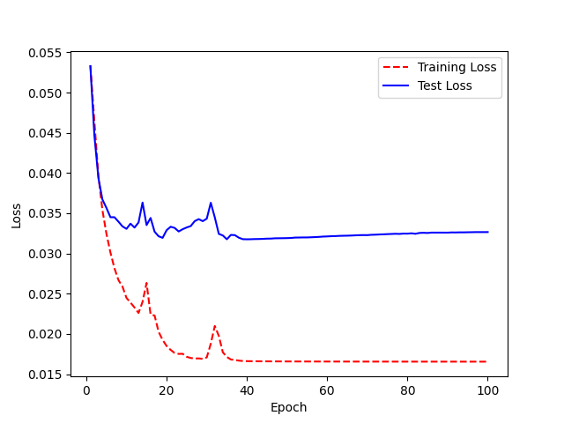
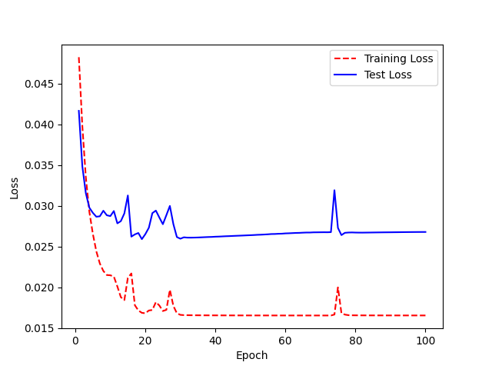
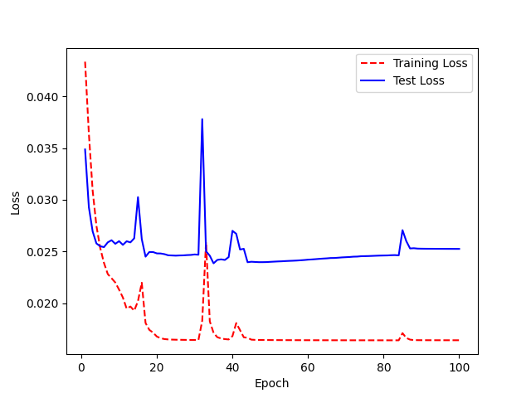
Acc: 72% | 2 | 0.796875 |  | 2 | 0.96875 | ((model.layers)[8]).trainable = False | 2 | 0.828125 |  |  |  | 2 | 0.90625 | ((model.layers)[8]).trainable = False | 2 | 0.71875 | ((model.layers)[8]).trainable = False | 2 | 0.703125 | Acc: 62% | 2 | 0.71875 |  |  | 2 | 0.734375 |  |  | 2 | 0.453125
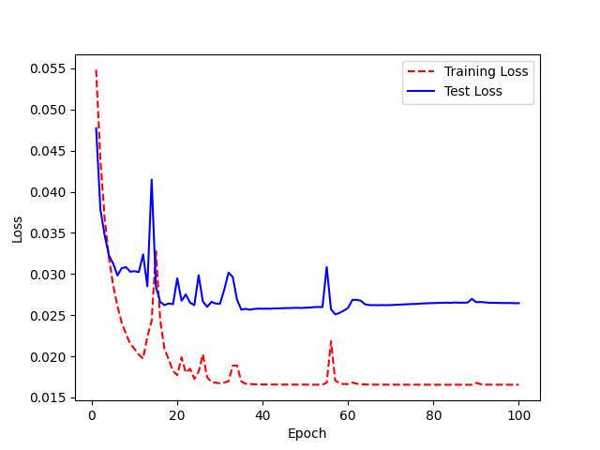
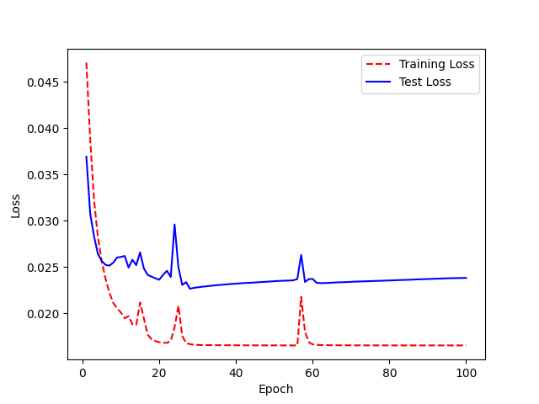
 | 3 | 0.65625 | ((model.layers)[8]).trainable = False | 3 | 0.9375 |  | 3 | 0.796875 |  |  |  | 3 | 0.90625 |  | 3 | 0.671875 |  | 3 | 0.625 |  | 3 | 0.65625 |  |  | 3 | 0.65625 |  |  | 3 | 0.40625
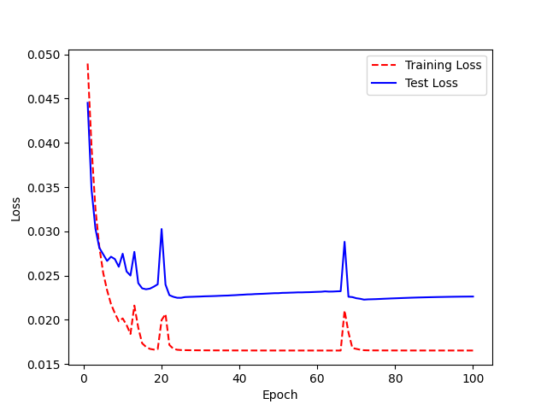
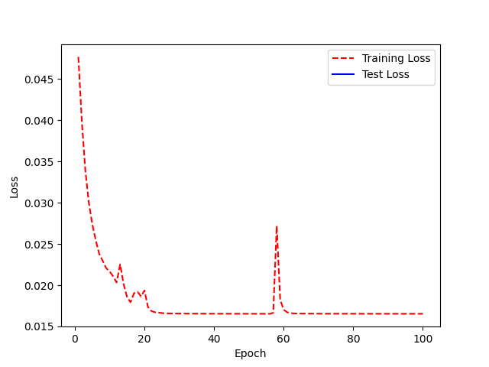
((model.enc_input.conv3)).trainable = False | 4 | 0.625 |  | 4 | 0.9375 |  | 4 | 0.765625 |  |  |  | 4 | 0.9375 |  | 4 | 0.71875 |  | 4 | 0.59375 |  | 4 | 0.484375 |  |  | 4 | 0.671875 |  |  | 4 | 0.390625
 | 5 | 0.609375 |  | 5 | 0.953125 |  | 5 | 0.703125 |  |  |  | 5 | 0.890625 |  | 5 | 0.515625 |  | 5 | 0.578125 |  | 5 | 0.546875 |  |  | 5 | 0.609375 |  |  | 5 | 0.375
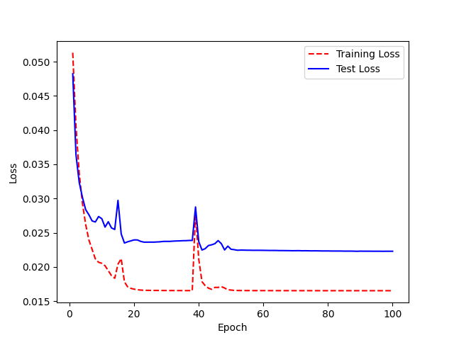
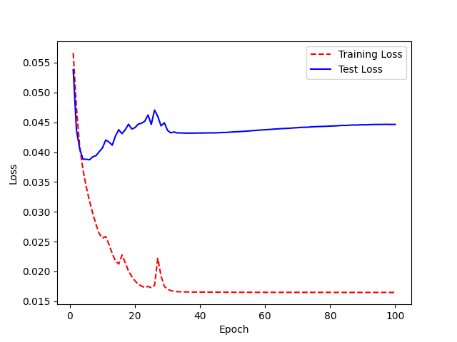
 | 6 | 0.546875 |  | 6 | 0.984375 |  | 6 | 0.65625 |  |  |  | 6 | 0.859375 |  | 6 | 0.515625 |  | 6 | 0.578125 |  | 6 | 0.5625 |  |  | 6 | 0.640625 |  |  | 6 | 0.4375
 | 7 | 0.609375 |  | 7 | 0.96875 |  | 7 | 0.703125 |  |  |  | 7 | 0.78125 |  | 7 | 0.484375 |  | 7 | 0.5625 |  | 7 | 0.484375 |  |  | 7 | 0.609375 |  |  | 7 | 0.484375
 | 8 | 0.53125 |  | 8 | 0.953125 |  | 8 | 0.671875 |  |  |  | 8 | 0.765625 |  | 8 | 0.546875 |  | 8 | 0.59375 |  | 8 | 0.5625 | ((model.layers)[8]).trainable = False |  | 8 | 0.609375 | ((model.layers)[8]).trainable = False |  | 8 | 0.453125
 | 9 | 0.640625 |  | 9 | 0.921875 |  | 9 | 0.6875 |  |  |  | 9 | 0.828125 |  | 9 | 0.53125 |  | 9 | 0.53125 |  | 9 | 0.5 |  |  | 9 | 0.5 |  |  | 9 | 0.5625
 | 10 | 0.5 |  | 10 | 0.9375 |  | 10 | 0.640625 |  |  | ((model.layers)[8]).trainable = False | 10 | 0.78125 |  | 10 | 0.515625 |  | 10 | 0.578125 |  | 10 | 0.484375 |  |  | 10 | 0.671875 |  |  | 10 | 0.484375
 | 11 | 0.484375 |  | 11 | 0.921875 |  | 11 | 0.671875 |  |  |  | 11 | 0.703125 |  | 11 | 0.46875 |  | 11 | 0.65625 |  | 11 | 0.46875 |  |  | 11 | 0.5625 |  |  | 11 | 0.53125
 | 12 | 0.46875 |  | 12 | 0.921875 |  | 12 | 0.59375 |  |  |  | 12 | 0.78125 |  | 12 | 0.515625 |  | 12 | 0.578125 |  | 12 | 0.4375 |  |  | 12 | 0.5625 |  |  | 12 | 0.53125
 | 13 | 0.46875 |  | 13 | 0.921875 |  | 13 | 0.953125 |  |  |  | 13 | 0.875 |  | 13 | 0.359375 |  | 13 | 0.5 |  | 13 | 0.421875 |  |  | 13 | 0.546875 |  |  | 13 | 0.53125
 | 14 | 0.5625 |  | 14 | 0.875 |  | 14 | 0.6875 |  |  |  | 14 | 0.703125 |  | 14 | 0.34375 |  | 14 | 0.484375 |  | 14 | 0.53125 |  |  | 14 | 0.671875 |  |  | 14 | 0.578125
 | 15 | 0.515625 |  | 15 | 0.921875 |  | 15 | 0.609375 |  |  |  | 15 | 0.640625 |  | 15 | 0.359375 |  | 15 | 0.484375 |  | 15 | 0.5 |  |  | 15 | 0.5 |  |  | 15 | 0.5
 | 16 | 0.375 |  | 16 | 0.921875 |  | 16 | 0.609375 |  |  |  | 16 | 0.65625 |  | 16 | 0.375 |  | 16 | 0.640625 |  | 16 | 0.4375 |  |  | 16 | 0.484375 |  |  | 16 | 0.46875
 | 17 | 0.4375 |  | 17 | 0.90625 |  | 17 | 0.71875 |  |  |  | 17 | 0.65625 |  | 17 | 0.375 |  | 17 | 0.46875 |  | 17 | 0.390625 |  |  | 17 | 0.40625 |  |  | 17 | 0.546875
 | 18 | 0.390625 |  | 18 | 0.90625 |  | 18 | 0.609375 |  |  |  | 18 | 0.671875 |  | 18 | 0.359375 |  | 18 | 0.59375 |  | 18 | 0.390625 |  |  | 18 | 0.40625 |  |  | 18 | 0.5625
 | 19 | 0.421875 |  | 19 | 0.90625 |  | 19 | 0.71875 |  |  |  | 19 | 0.65625 |  | 19 | 0.515625 |  | 19 | 0.46875 |  | 19 | 0.359375 |  |  | 19 | 0.453125 |  |  | 19 | 0.53125
 | 20 | 0.421875 |  | 20 | 0.84375 |  | 20 | 0.53125 |  |  |  | 20 | 0.609375 |  | 20 | 0.40625 |  | 20 | 0.421875 |  | 20 | 0.34375 |  |  | 20 | 0.515625 |  |  | 20 | 0.546875
 | 21 | 0.40625 |  | 21 | 0.875 |  | 21 | 0.578125 |  |  |  | 21 | 0.609375 |  | 21 | 0.328125 |  | 21 | 0.359375 |  | 21 | 0.421875 |  |  | 21 | 0.53125 |  |  | 21 | 0.53125
 | 22 | 0.40625 |  | 22 | 0.875 |  | 22 | 0.515625 |  |  |  | 22 | 0.59375 |  | 22 | 0.328125 |  | 22 | 0.46875 |  | 22 | 0.40625 |  |  | 22 | 0.65625 |  |  | 22 | 0.5625
 | 23 | 0.390625 |  | 23 | 0.90625 |  | 23 | 0.515625 |  |  |  | 23 | 0.671875 |  | 23 | 0.328125 |  | 23 | 0.390625 |  | 23 | 0.546875 |  |  | 23 | 0.59375 |  |  | 23 | 0.5625
 | 24 | 0.34375 |  | 24 | 0.859375 |  | 24 | 0.5625 |  |  |  | 24 | 0.671875 |  | 24 | 0.3125 |  | 24 | 0.453125 |  | 24 | 0.515625 |  |  | 24 | 0.515625 |  |  | 24 | 0.5625
 | 25 | 0.359375 |  | 25 | 0.90625 |  | 25 | 0.453125 |  |  |  | 25 | 0.71875 |  | 25 | 0.3125 |  | 25 | 0.421875 |  | 25 | 0.40625 |  |  | 25 | 0.625 |  |  | 25 | 0.5625
 | 26 | 0.359375 |  | 26 | 0.921875 |  | 26 | 0.40625 |  |  |  | 26 | 0.71875 |  | 26 | 0.3125 |  | 26 | 0.4375 |  | 26 | 0.328125 |  |  | 26 | 0.578125 |  |  | 26 | 0.578125
 | 27 | 0.359375 |  | 27 | 0.90625 |  | 27 | 0.4375 |  |  |  | 27 | 0.65625 |  | 27 | 0.3125 |  | 27 | 0.4375 |  | 27 | 0.328125 |  |  | 27 | 0.484375 |  |  | 27 | 0.578125
 | 28 | 0.390625 |  | 28 | 0.859375 |  | 28 | 0.4375 |  |  |  | 28 | 0.671875 |  | 28 | 0.3125 |  | 28 | 0.421875 |  | 28 | 0.359375 |  |  | 28 | 0.40625 |  |  | 28 | 0.578125
 | 29 | 0.359375 |  | 29 | 0.890625 |  | 29 | 0.4375 |  |  |  | 29 | 0.703125 |  | 29 | 0.3125 |  | 29 | 0.421875 |  | 29 | 0.359375 |  |  | 29 | 0.359375 |  |  | 29 | 0.578125
 | 30 | 0.359375 |  | 30 | 0.84375 |  | 30 | 0.5625 |  |  |  | 30 | 0.796875 |  | 30 | 0.3125 |  | 30 | 0.421875 |  | 30 | 0.34375 |  |  | 30 | 0.375 |  |  | 30 | 0.578125
 | 31 | 0.375 |  | 31 | 0.84375 |  | 31 | 0.53125 |  |  |  | 31 | 0.6875 |  | 31 | 0.3125 |  | 31 | 0.421875 |  | 31 | 0.359375 |  |  | 31 | 0.390625 |  |  | 31 | 0.828125
 | 32 | 0.375 |  | 32 | 0.859375 |  | 32 | 0.53125 |  |  |  | 32 | 0.640625 |  | 32 | 0.328125 |  | 32 | 0.421875 |  | 32 | 0.359375 |  |  | 32 | 0.40625 |  |  | 32 | 0.453125
 | 33 | 0.359375 |  | 33 | 0.859375 |  | 33 | 0.46875 |  |  |  | 33 | 0.625 |  | 33 | 0.328125 |  | 33 | 0.40625 |  | 33 | 0.359375 |  |  | 33 | 0.40625 |  |  | 33 | 0.421875
 | 34 | 0.359375 |  | 34 | 0.859375 |  | 34 | 0.390625 |  |  |  | 34 | 0.640625 |  | 34 | 0.328125 |  | 34 | 0.390625 |  | 34 | 0.359375 |  |  | 34 | 0.40625 |  |  | 34 | 0.453125
 | 35 | 0.359375 |  | 35 | 0.859375 |  | 35 | 0.359375 |  |  |  | 35 | 0.65625 |  | 35 | 0.328125 |  | 35 | 0.390625 |  | 35 | 0.359375 |  |  | 35 | 0.40625 |  |  | 35 | 0.46875
 | 36 | 0.359375 |  | 36 | 0.875 |  | 36 | 0.375 |  |  |  | 36 | 0.5625 |  | 36 | 0.328125 |  | 36 | 0.390625 |  | 36 | 0.359375 |  |  | 36 | 0.390625 |  |  | 36 | 0.453125
 | 37 | 0.34375 |  | 37 | 0.875 |  | 37 | 0.390625 |  |  |  | 37 | 0.53125 |  | 37 | 0.328125 |  | 37 | 0.390625 |  | 37 | 0.375 |  |  | 37 | 0.390625 |  |  | 37 | 0.4375
 | 38 | 0.625 |  | 38 | 0.875 |  | 38 | 0.390625 |  |  |  | 38 | 0.59375 |  | 38 | 0.328125 |  | 38 | 0.40625 |  | 38 | 0.375 |  |  | 38 | 0.390625 |  |  | 38 | 0.515625
 | 39 | 0.40625 |  | 39 | 0.875 |  | 39 | 0.375 |  |  |  | 39 | 0.578125 |  | 39 | 0.328125 |  | 39 | 0.390625 |  | 39 | 0.375 |  |  | 39 | 0.390625 |  |  | 39 | 0.625
 | 40 | 0.359375 |  | 40 | 0.875 |  | 40 | 0.34375 |  |  |  | 40 | 0.578125 |  | 40 | 0.328125 |  | 40 | 0.375 |  | 40 | 0.375 |  |  | 40 | 0.390625 |  |  | 40 | 0.5625
 | 41 | 0.34375 |  | 41 | 0.875 |  | 41 | 0.359375 |  |  |  | 41 | 0.5625 |  | 41 | 0.328125 |  | 41 | 0.390625 |  | 41 | 0.375 |  |  | 41 | 0.375 |  |  | 41 | 0.484375
 | 42 | 0.375 |  | 42 | 0.859375 |  | 42 | 0.359375 |  |  |  | 42 | 0.5625 |  | 42 | 0.328125 |  | 42 | 0.390625 |  | 42 | 0.375 |  |  | 42 | 0.375 |  |  | 42 | 0.453125
 | 43 | 0.421875 |  | 43 | 0.859375 |  | 43 | 0.34375 |  |  |  | 43 | 0.5625 |  | 43 | 0.328125 |  | 43 | 0.390625 |  | 43 | 0.375 |  |  | 43 | 0.375 |  |  | 43 | 0.5
 | 44 | 0.390625 |  | 44 | 0.859375 |  | 44 | 0.359375 |  |  |  | 44 | 0.53125 |  | 44 | 0.3125 |  | 44 | 0.390625 |  | 44 | 0.375 |  |  | 44 | 0.375 |  |  | 44 | 0.515625
 | 45 | 0.375 |  | 45 | 0.859375 |  | 45 | 0.359375 |  |  |  | 45 | 0.53125 |  | 45 | 0.3125 |  | 45 | 0.390625 |  | 45 | 0.359375 |  |  | 45 | 0.390625 |  |  | 45 | 0.5
 | 46 | 0.3125 |  | 46 | 0.859375 |  | 46 | 0.359375 |  |  |  | 46 | 0.53125 |  | 46 | 0.3125 |  | 46 | 0.390625 |  | 46 | 0.359375 |  |  | 46 | 0.390625 |  |  | 46 | 0.5
 | 47 | 0.3125 |  | 47 | 0.859375 |  | 47 | 0.375 |  |  |  | 47 | 0.53125 |  | 47 | 0.3125 |  | 47 | 0.390625 |  | 47 | 0.375 |  |  | 47 | 0.390625 |  |  | 47 | 0.5
 | 48 | 0.3125 |  | 48 | 0.859375 |  | 48 | 0.375 |  |  |  | 48 | 0.53125 |  | 48 | 0.3125 |  | 48 | 0.390625 |  | 48 | 0.390625 |  |  | 48 | 0.421875 |  |  | 48 | 0.484375
 | 49 | 0.3125 |  | 49 | 0.859375 |  | 49 | 0.375 |  |  |  | 49 | 0.53125 |  | 49 | 0.3125 |  | 49 | 0.375 |  | 49 | 0.375 |  |  | 49 | 0.421875 |  |  | 49 | 0.5
 | 50 | 0.28125 |  | 50 | 0.859375 |  | 50 | 0.359375 |  |  |  | 50 | 0.53125 |  | 50 | 0.3125 |  | 50 | 0.375 |  | 50 | 0.390625 |  |  | 50 | 0.421875 |  |  | 50 | 0.515625
 | 51 | 0.28125 |  | 51 | 0.875 |  | 51 | 0.359375 |  |  |  | 51 | 0.515625 |  | 51 | 0.296875 |  | 51 | 0.375 |  | 51 | 0.390625 |  |  | 51 | 0.421875 |  |  | 51 | 0.515625
 | 52 | 0.296875 |  | 52 | 0.875 |  | 52 | 0.34375 |  |  |  | 52 | 0.515625 |  | 52 | 0.296875 |  | 52 | 0.375 |  | 52 | 0.390625 |  |  | 52 | 0.421875 |  |  | 52 | 0.515625
 | 53 | 0.28125 |  | 53 | 0.875 |  | 53 | 0.34375 |  |  |  | 53 | 0.515625 |  | 53 | 0.296875 |  | 53 | 0.375 |  | 53 | 0.390625 |  |  | 53 | 0.421875 |  |  | 53 | 0.5
 | 54 | 0.296875 |  | 54 | 0.875 |  | 54 | 0.546875 |  |  |  | 54 | 0.515625 |  | 54 | 0.28125 |  | 54 | 0.359375 |  | 54 | 0.390625 |  |  | 54 | 0.40625 |  |  | 54 | 0.484375
 | 55 | 0.296875 |  | 55 | 0.875 |  | 55 | 0.390625 |  |  |  | 55 | 0.515625 |  | 55 | 0.28125 |  | 55 | 0.359375 |  | 55 | 0.390625 |  |  | 55 | 0.40625 |  |  | 55 | 0.484375
 | 56 | 0.296875 |  | 56 | 0.875 |  | 56 | 0.453125 |  |  |  | 56 | 0.515625 |  | 56 | 0.28125 |  | 56 | 0.609375 |  | 56 | 0.5 |  |  | 56 | 0.40625 |  |  | 56 | 0.484375
 | 57 | 0.296875 |  | 57 | 0.875 |  | 57 | 0.4375 |  |  |  | 57 | 0.515625 |  | 57 | 0.296875 |  | 57 | 0.484375 |  | 57 | 0.359375 |  |  | 57 | 0.40625 |  |  | 57 | 0.484375
 | 58 | 0.296875 |  | 58 | 0.875 |  | 58 | 0.421875 |  |  |  | 58 | 0.515625 |  | 58 | 0.296875 |  | 58 | 0.4375 |  | 58 | 0.390625 |  |  | 58 | 0.40625 |  |  | 58 | 0.484375
 | 59 | 0.296875 |  | 59 | 0.875 |  | 59 | 0.4375 |  |  |  | 59 | 0.515625 |  | 59 | 0.296875 |  | 59 | 0.375 |  | 59 | 0.359375 |  |  | 59 | 0.40625 |  |  | 59 | 0.484375
 | 60 | 0.28125 |  | 60 | 0.875 |  | 60 | 0.421875 |  |  |  | 60 | 0.515625 |  | 60 | 0.296875 |  | 60 | 0.40625 |  | 60 | 0.3125 |  |  | 60 | 0.40625 |  |  | 60 | 0.484375
 | 61 | 0.28125 |  | 61 | 0.859375 |  | 61 | 0.4375 |  |  |  | 61 | 0.53125 |  | 61 | 0.296875 |  | 61 | 0.375 |  | 61 | 0.328125 |  |  | 61 | 0.40625 |  |  | 61 | 0.484375
 | 62 | 0.28125 |  | 62 | 0.859375 |  | 62 | 0.484375 |  |  |  | 62 | 0.53125 |  | 62 | 0.296875 |  | 62 | 0.359375 |  | 62 | 0.296875 |  |  | 62 | 0.40625 |  |  | 62 | 0.484375
 | 63 | 0.28125 |  | 63 | 0.859375 |  | 63 | 0.453125 |  |  |  | 63 | 0.53125 |  | 63 | 0.28125 |  | 63 | 0.375 |  | 63 | 0.328125 |  |  | 63 | 0.40625 |  |  | 63 | 0.484375
 | 64 | 0.265625 |  | 64 | 0.859375 |  | 64 | 0.4375 |  |  |  | 64 | 0.53125 |  | 64 | 0.28125 |  | 64 | 0.375 |  | 64 | 0.328125 |  |  | 64 | 0.40625 |  |  | 64 | 0.484375
 | 65 | 0.25 |  | 65 | 0.859375 |  | 65 | 0.4375 |  |  |  | 65 | 0.53125 |  | 65 | 0.28125 |  | 65 | 0.375 |  | 65 | 0.3125 |  |  | 65 | 0.40625 |  |  | 65 | 0.46875
 | 66 | 0.25 |  | 66 | 0.859375 |  | 66 | 0.453125 |  |  |  | 66 | 0.53125 |  | 66 | 0.578125 |  | 66 | 0.375 |  | 66 | 0.328125 |  |  | 66 | 0.40625 |  |  | 66 | 0.484375
 | 67 | 0.25 |  | 67 | 0.859375 |  | 67 | 0.453125 |  |  |  | 67 | 0.515625 |  | 67 | 0.375 |  | 67 | 0.375 |  | 67 | 0.34375 |  |  | 67 | 0.40625 |  |  | 67 | 0.484375
 | 68 | 0.25 |  | 68 | 0.859375 |  | 68 | 0.4375 |  |  |  | 68 | 0.515625 |  | 68 | 0.375 |  | 68 | 0.375 |  | 68 | 0.328125 |  |  | 68 | 0.40625 |  |  | 68 | 0.484375
 | 69 | 0.265625 |  | 69 | 0.859375 |  | 69 | 0.4375 |  |  |  | 69 | 0.515625 |  | 69 | 0.328125 |  | 69 | 0.375 |  | 69 | 0.328125 |  |  | 69 | 0.40625 |  |  | 69 | 0.484375
 | 70 | 0.265625 |  | 70 | 0.859375 |  | 70 | 0.4375 |  |  |  | 70 | 0.53125 |  | 70 | 0.28125 |  | 70 | 0.375 |  | 70 | 0.328125 |  |  | 70 | 0.40625 |  |  | 70 | 0.484375
 | 71 | 0.25 |  | 71 | 0.859375 |  | 71 | 0.453125 |  |  |  | 71 | 0.53125 |  | 71 | 0.265625 |  | 71 | 0.359375 |  | 71 | 0.328125 |  |  | 71 | 0.40625 |  |  | 71 | 0.484375
 | 72 | 0.25 |  | 72 | 0.859375 |  | 72 | 0.4375 |  |  |  | 72 | 0.53125 |  | 72 | 0.28125 |  | 72 | 0.359375 |  | 72 | 0.328125 |  |  | 72 | 0.40625 |  |  | 72 | 0.484375
 | 73 | 0.265625 |  | 73 | 0.859375 |  | 73 | 0.4375 |  |  |  | 73 | 0.546875 |  | 73 | 0.265625 |  | 73 | 0.359375 |  | 73 | 0.328125 |  |  | 73 | 0.734375 |  |  | 73 | 0.46875
 | 74 | 0.25 |  | 74 | 0.859375 |  | 74 | 0.4375 |  |  |  | 74 | 0.546875 |  | 74 | 0.25 |  | 74 | 0.359375 |  | 74 | 0.328125 |  |  | 74 | 0.5 |  |  | 74 | 0.46875
 | 75 | 0.25 |  | 75 | 0.875 |  | 75 | 0.453125 |  |  |  | 75 | 0.546875 |  | 75 | 0.234375 |  | 75 | 0.359375 |  | 75 | 0.328125 |  |  | 75 | 0.453125 |  |  | 75 | 0.46875
 | 76 | 0.265625 |  | 76 | 0.875 |  | 76 | 0.4375 |  |  |  | 76 | 0.546875 |  | 76 | 0.234375 |  | 76 | 0.359375 |  | 76 | 0.328125 |  |  | 76 | 0.40625 |  |  | 76 | 0.453125
 | 77 | 0.25 |  | 77 | 0.859375 |  | 77 | 0.453125 |  |  |  | 77 | 0.546875 |  | 77 | 0.234375 |  | 77 | 0.359375 |  | 77 | 0.328125 |  |  | 77 | 0.453125 |  |  | 77 | 0.453125
 | 78 | 0.25 |  | 78 | 0.859375 |  | 78 | 0.453125 |  |  |  | 78 | 0.546875 |  | 78 | 0.234375 |  | 78 | 0.359375 |  | 78 | 0.328125 |  |  | 78 | 0.453125 |  |  | 78 | 0.453125
 | 79 | 0.265625 |  | 79 | 0.859375 |  | 79 | 0.453125 |  |  |  | 79 | 0.5625 |  | 79 | 0.234375 |  | 79 | 0.359375 |  | 79 | 0.328125 |  |  | 79 | 0.421875 |  |  | 79 | 0.4375
 | 80 | 0.265625 |  | 80 | 0.859375 |  | 80 | 0.453125 |  |  |  | 80 | 0.5625 |  | 80 | 0.21875 |  | 80 | 0.359375 |  | 80 | 0.328125 |  |  | 80 | 0.421875 |  |  | 80 | 0.4375
 | 81 | 0.265625 |  | 81 | 0.859375 |  | 81 | 0.46875 |  |  |  | 81 | 0.53125 |  | 81 | 0.21875 |  | 81 | 0.359375 |  | 81 | 0.328125 |  |  | 81 | 0.421875 |  |  | 81 | 0.4375
 | 82 | 0.265625 |  | 82 | 0.859375 |  | 82 | 0.46875 |  |  |  | 82 | 0.53125 |  | 82 | 0.21875 |  | 82 | 0.359375 |  | 82 | 0.3125 |  |  | 82 | 0.421875 |  |  | 82 | 0.4375
 | 83 | 0.265625 |  | 83 | 0.859375 |  | 83 | 0.453125 |  |  |  | 83 | 0.53125 |  | 83 | 0.21875 |  | 83 | 0.359375 |  | 83 | 0.3125 |  |  | 83 | 0.421875 |  |  | 83 | 0.4375
 | 84 | 0.265625 |  | 84 | 0.859375 |  | 84 | 0.4375 |  |  |  | 84 | 0.546875 |  | 84 | 0.21875 |  | 84 | 0.359375 |  | 84 | 0.3125 |  |  | 84 | 0.421875 |  |  | 84 | 0.578125
 | 85 | 0.265625 |  | 85 | 0.859375 |  | 85 | 0.453125 |  |  |  | 85 | 0.53125 |  | 85 | 0.21875 |  | 85 | 0.359375 |  | 85 | 0.3125 |  |  | 85 | 0.421875 |  |  | 85 | 0.546875
 | 86 | 0.265625 |  | 86 | 0.84375 |  | 86 | 0.453125 |  |  |  | 86 | 0.53125 |  | 86 | 0.21875 |  | 86 | 0.359375 |  | 86 | 0.3125 |  |  | 86 | 0.40625 |  |  | 86 | 0.46875
 | 87 | 0.265625 |  | 87 | 0.859375 |  | 87 | 0.453125 |  |  |  | 87 | 0.53125 |  | 87 | 0.21875 |  | 87 | 0.359375 |  | 87 | 0.3125 |  |  | 87 | 0.40625 |  |  | 87 | 0.484375
 | 88 | 0.265625 |  | 88 | 0.828125 |  | 88 | 0.40625 |  |  |  | 88 | 0.53125 |  | 88 | 0.21875 |  | 88 | 0.359375 |  | 88 | 0.3125 |  |  | 88 | 0.40625 |  |  | 88 | 0.484375
 | 89 | 0.265625 |  | 89 | 0.828125 |  | 89 | 0.453125 |  |  |  | 89 | 0.53125 |  | 89 | 0.21875 |  | 89 | 0.359375 |  | 89 | 0.3125 |  |  | 89 | 0.40625 |  |  | 89 | 0.5
 | 90 | 0.265625 |  | 90 | 0.828125 |  | 90 | 0.390625 |  |  |  | 90 | 0.53125 |  | 90 | 0.21875 |  | 90 | 0.359375 |  | 90 | 0.3125 |  |  | 90 | 0.40625 |  |  | 90 | 0.5
 | 91 | 0.265625 |  | 91 | 0.828125 |  | 91 | 0.421875 |  |  |  | 91 | 0.53125 |  | 91 | 0.21875 |  | 91 | 0.359375 |  | 91 | 0.3125 |  |  | 91 | 0.40625 |  |  | 91 | 0.5
 | 92 | 0.265625 |  | 92 | 0.828125 |  | 92 | 0.4375 |  |  |  | 92 | 0.515625 |  | 92 | 0.21875 |  | 92 | 0.359375 |  | 92 | 0.3125 |  |  | 92 | 0.40625 |  |  | 92 | 0.5
 | 93 | 0.265625 |  | 93 | 0.84375 |  | 93 | 0.421875 |  |  |  | 93 | 0.515625 |  | 93 | 0.21875 |  | 93 | 0.359375 |  | 93 | 0.3125 |  |  | 93 | 0.40625 |  |  | 93 | 0.5
 | 94 | 0.265625 |  | 94 | 0.828125 |  | 94 | 0.40625 |  |  |  | 94 | 0.515625 |  | 94 | 0.21875 |  | 94 | 0.359375 |  | 94 | 0.296875 |  |  | 94 | 0.40625 |  |  | 94 | 0.5
 | 95 | 0.265625 |  | 95 | 0.828125 |  | 95 | 0.40625 |  |  |  | 95 | 0.53125 |  | 95 | 0.21875 |  | 95 | 0.359375 |  | 95 | 0.296875 |  |  | 95 | 0.40625 |  |  | 95 | 0.5
 | 96 | 0.265625 |  | 96 | 0.84375 |  | 96 | 0.40625 |  |  |  | 96 | 0.53125 |  | 96 | 0.21875 |  | 96 | 0.359375 |  | 96 | 0.296875 |  |  | 96 | 0.40625 |  |  | 96 | 0.5
 | 97 | 0.265625 |  | 97 | 0.828125 |  | 97 | 0.40625 |  |  |  | 97 | 0.53125 |  | 97 | 0.21875 |  | 97 | 0.359375 |  | 97 | 0.296875 |  |  | 97 | 0.40625 |  |  | 97 | 0.5
 | 98 | 0.265625 |  | 98 | 0.828125 |  | 98 | 0.40625 |  |  |  | 98 | 0.53125 |  | 98 | 0.21875 |  | 98 | 0.359375 |  | 98 | 0.296875 |  |  | 98 | 0.40625 |  |  | 98 | 0.5
 | 99 | 0.265625 |  | 99 | 0.828125 |  | 99 | 0.40625 |  |  |  | 99 | 0.53125 |  | 99 | 0.21875 |  | 99 | 0.359375 |  | 99 | 0.296875 |  |  | 99 | 0.40625 |  |  | 99 | 0.5

Transfer Learning_encoderL
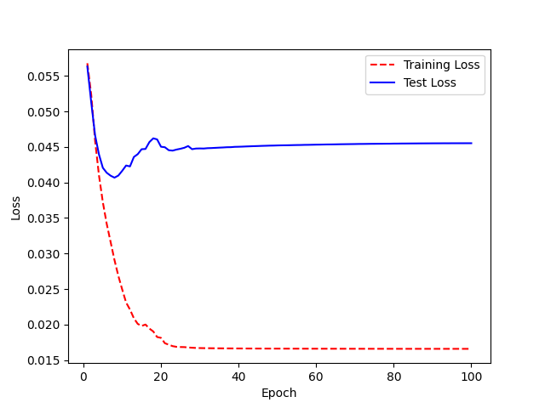
M04 | Training Accuracy |  | F03 | Training Accuracy |  | M12 | Training Accuracy
Acc: 8% | 0 | 0.984375 | Acc: 26% | 0 | 0.984375 | Acc: 18% | 0 | 0.96875
 | 1 | 0.96875 |  | 1 | 0.953125 |  | 1 | 0.953125
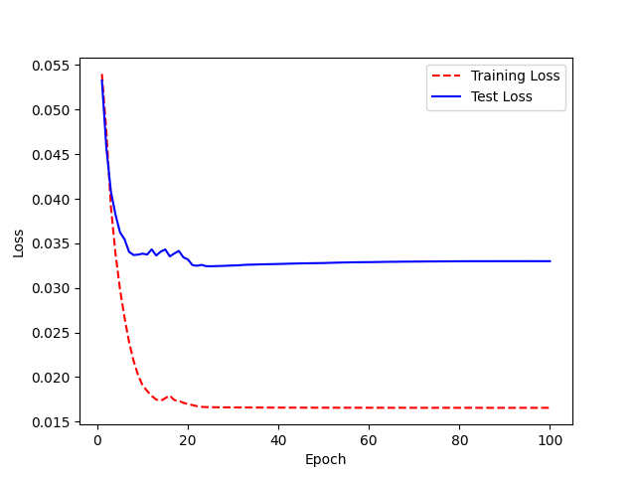
 | 2 | 0.96875 |  | 2 | 0.953125 |  | 2 | 0.953125
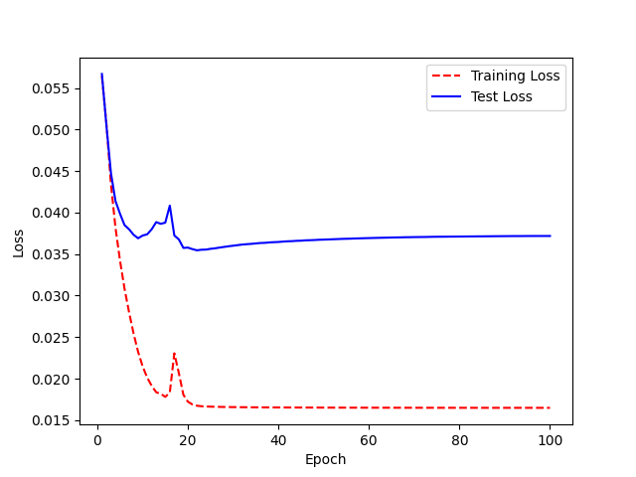
 | 3 | 0.984375 |  | 3 | 0.875 |  | 3 | 0.9375
 | 4 | 0.984375 |  | 4 | 0.796875 |  | 4 | 0.921875
 | 5 | 0.96875 |  | 5 | 0.796875 |  | 5 | 0.90625
 | 6 | 0.9375 |  | 6 | 0.734375 |  | 6 | 0.90625
 | 7 | 0.953125 |  | 7 | 0.734375 |  | 7 | 0.859375
 | 8 | 0.953125 |  | 8 | 0.71875 |  | 8 | 0.875
Transfer Learning : | 9 | 0.921875 |  | 9 | 0.78125 |  | 9 | 0.859375
Freeze both encoder layers | 10 | 0.921875 |  | 10 | 0.734375 |  | 10 | 0.859375
 | 11 | 0.90625 |  | 11 | 0.75 |  | 11 | 0.84375
 | 12 | 0.9375 |  | 12 | 0.71875 |  | 12 | 0.84375
 | 13 | 0.953125 |  | 13 | 0.6875 |  | 13 | 0.84375
 | 14 | 0.9375 |  | 14 | 0.71875 |  | 14 | 0.859375
 | 15 | 0.921875 |  | 15 | 0.84375 |  | 15 | 0.875
 | 16 | 0.953125 |  | 16 | 0.71875 |  | 16 | 0.78125
 | 17 | 0.9375 |  | 17 | 0.71875 |  | 17 | 0.828125
 | 18 | 0.953125 |  | 18 | 0.65625 |  | 18 | 0.734375
 | 19 | 0.875 |  | 19 | 0.6875 |  | 19 | 0.71875
 | 20 | 0.921875 |  | 20 | 0.65625 |  | 20 | 0.71875
 | 21 | 0.890625 |  | 21 | 0.6875 |  | 21 | 0.734375
 | 22 | 0.90625 |  | 22 | 0.71875 |  | 22 | 0.734375
 | 23 | 0.875 |  | 23 | 0.71875 |  | 23 | 0.71875
 | 24 | 0.90625 |  | 24 | 0.71875 |  | 24 | 0.71875
 | 25 | 0.890625 |  | 25 | 0.71875 |  | 25 | 0.71875
 | 26 | 0.90625 |  | 26 | 0.71875 |  | 26 | 0.71875
 | 27 | 0.90625 |  | 27 | 0.71875 |  | 27 | 0.734375
 | 28 | 0.90625 |  | 28 | 0.734375 |  | 28 | 0.734375
 | 29 | 0.90625 |  | 29 | 0.734375 |  | 29 | 0.734375
 | 30 | 0.90625 |  | 30 | 0.75 |  | 30 | 0.734375
 | 31 | 0.90625 |  | 31 | 0.75 |  | 31 | 0.734375
 | 32 | 0.890625 |  | 32 | 0.75 |  | 32 | 0.734375
 | 33 | 0.890625 |  | 33 | 0.71875 |  | 33 | 0.734375
 | 34 | 0.890625 |  | 34 | 0.734375 |  | 34 | 0.734375
 | 35 | 0.890625 |  | 35 | 0.75 |  | 35 | 0.734375
 | 36 | 0.890625 |  | 36 | 0.75 |  | 36 | 0.71875
 | 37 | 0.890625 |  | 37 | 0.75 |  | 37 | 0.71875
 | 38 | 0.890625 |  | 38 | 0.75 |  | 38 | 0.75
 | 39 | 0.890625 |  | 39 | 0.75 |  | 39 | 0.734375
 | 40 | 0.890625 |  | 40 | 0.75 |  | 40 | 0.734375
 | 41 | 0.890625 |  | 41 | 0.75 |  | 41 | 0.75
 | 42 | 0.890625 |  | 42 | 0.75 |  | 42 | 0.734375
 | 43 | 0.890625 |  | 43 | 0.765625 |  | 43 | 0.734375
 | 44 | 0.890625 |  | 44 | 0.765625 |  | 44 | 0.734375
 | 45 | 0.890625 |  | 45 | 0.765625 |  | 45 | 0.71875
 | 46 | 0.890625 |  | 46 | 0.765625 |  | 46 | 0.71875
 | 47 | 0.890625 |  | 47 | 0.765625 |  | 47 | 0.71875
 | 48 | 0.890625 |  | 48 | 0.765625 |  | 48 | 0.71875
 | 49 | 0.890625 |  | 49 | 0.765625 |  | 49 | 0.71875
 | 50 | 0.890625 |  | 50 | 0.765625 |  | 50 | 0.71875
 | 51 | 0.90625 |  | 51 | 0.765625 |  | 51 | 0.71875
 | 52 | 0.90625 |  | 52 | 0.765625 |  | 52 | 0.71875
 | 53 | 0.90625 |  | 53 | 0.765625 |  | 53 | 0.71875
 | 54 | 0.90625 |  | 54 | 0.765625 |  | 54 | 0.71875
 | 55 | 0.90625 |  | 55 | 0.765625 |  | 55 | 0.71875
 | 56 | 0.90625 |  | 56 | 0.765625 |  | 56 | 0.71875
 | 57 | 0.90625 |  | 57 | 0.765625 |  | 57 | 0.71875
 | 58 | 0.90625 |  | 58 | 0.765625 |  | 58 | 0.71875
 | 59 | 0.90625 |  | 59 | 0.765625 |  | 59 | 0.71875
 | 60 | 0.90625 |  | 60 | 0.765625 |  | 60 | 0.71875
 | 61 | 0.90625 |  | 61 | 0.765625 |  | 61 | 0.71875
 | 62 | 0.90625 |  | 62 | 0.765625 |  | 62 | 0.71875
 | 63 | 0.90625 |  | 63 | 0.765625 |  | 63 | 0.71875
 | 64 | 0.90625 |  | 64 | 0.765625 |  | 64 | 0.734375
 | 65 | 0.90625 |  | 65 | 0.765625 |  | 65 | 0.734375
 | 66 | 0.90625 |  | 66 | 0.765625 |  | 66 | 0.734375
 | 67 | 0.90625 |  | 67 | 0.765625 |  | 67 | 0.734375
 | 68 | 0.90625 |  | 68 | 0.765625 |  | 68 | 0.734375
 | 69 | 0.90625 |  | 69 | 0.765625 |  | 69 | 0.734375
 | 70 | 0.90625 |  | 70 | 0.765625 |  | 70 | 0.734375
 | 71 | 0.90625 |  | 71 | 0.765625 |  | 71 | 0.734375
 | 72 | 0.90625 |  | 72 | 0.765625 |  | 72 | 0.734375
 | 73 | 0.90625 |  | 73 | 0.765625 |  | 73 | 0.734375
 | 74 | 0.90625 |  | 74 | 0.765625 |  | 74 | 0.734375
 | 75 | 0.90625 |  | 75 | 0.765625 |  | 75 | 0.734375
 | 76 | 0.90625 |  | 76 | 0.765625 |  | 76 | 0.75
 | 77 | 0.90625 |  | 77 | 0.765625 |  | 77 | 0.75
 | 78 | 0.90625 |  | 78 | 0.765625 |  | 78 | 0.75
 | 79 | 0.90625 |  | 79 | 0.765625 |  | 79 | 0.75
 | 80 | 0.90625 |  | 80 | 0.765625 |  | 80 | 0.75
 | 81 | 0.90625 |  | 81 | 0.765625 |  | 81 | 0.75
 | 82 | 0.90625 |  | 82 | 0.765625 |  | 82 | 0.75
 | 83 | 0.90625 |  | 83 | 0.765625 |  | 83 | 0.75
 | 84 | 0.90625 |  | 84 | 0.765625 |  | 84 | 0.75
 | 85 | 0.90625 |  | 85 | 0.765625 |  | 85 | 0.75
 | 86 | 0.90625 |  | 86 | 0.765625 |  | 86 | 0.75
 | 87 | 0.90625 |  | 87 | 0.765625 |  | 87 | 0.75
 | 88 | 0.90625 |  | 88 | 0.765625 |  | 88 | 0.734375
 | 89 | 0.90625 |  | 89 | 0.765625 |  | 89 | 0.75
 | 90 | 0.90625 |  | 90 | 0.765625 |  | 90 | 0.75
 | 91 | 0.90625 |  | 91 | 0.765625 |  | 91 | 0.734375
 | 92 | 0.90625 |  | 92 | 0.765625 |  | 92 | 0.734375
 | 93 | 0.90625 |  | 93 | 0.765625 |  | 93 | 0.734375
 | 94 | 0.90625 |  | 94 | 0.765625 |  | 94 | 0.734375
 | 95 | 0.90625 |  | 95 | 0.765625 |  | 95 | 0.734375
 | 96 | 0.90625 |  | 96 | 0.765625 |  | 96 | 0.734375
 | 97 | 0.90625 |  | 97 | 0.765625 |  | 97 | 0.734375
 | 98 | 0.90625 |  | 98 | 0.765625 |  | 98 | 0.734375
 | 99 | 0.90625 |  | 99 | 0.765625 |  | 99 | 0.734375

Transfer Learning_decoder
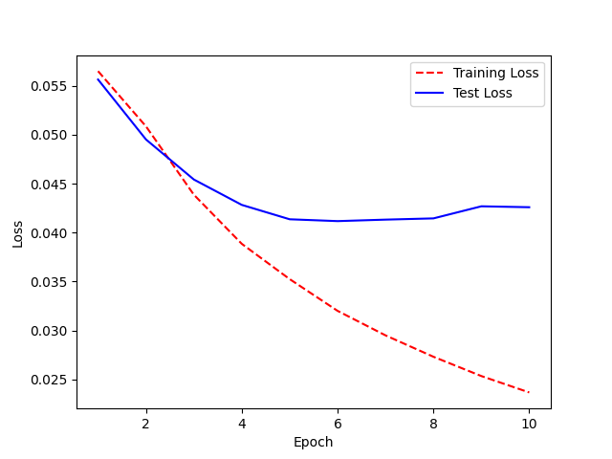
Freeze last decoder layer | M04 | Training Accuracy |  | Trained only for 10 epoch M04 | Trained TransferLearning3 | Training Accuracy |  | Trained TransferLearning3
((model.layers)[8]) |  | 0 | 0.984375 | Accuracy : 5% |  | 0 | 0.9375
 | Accuracy: 7% | 1 | 0.96875 |  | Acc: 6% | 1 | 0.9375 | Trained for 200 epoch
 |  | 2 | 0.96875 |  | Trained for 100 epoch | 2 | 0.9375 | init_lr=0.0000001,
 |  | 3 | 0.984375 |  |  | 3 | 0.9375 | lr_after_warmup=0.00001,
 |  | 4 | 0.96875 |  | init_lr=0.0000001, | 4 | 0.9375 | final_lr=0.0000001,
 |  | 5 | 0.9375 |  | lr_after_warmup=0.00001, | 5 | 0.9375
 |  | 6 | 0.921875 |  | final_lr=0.0000001, | 6 | 0.9375 | Accuracy : 6%
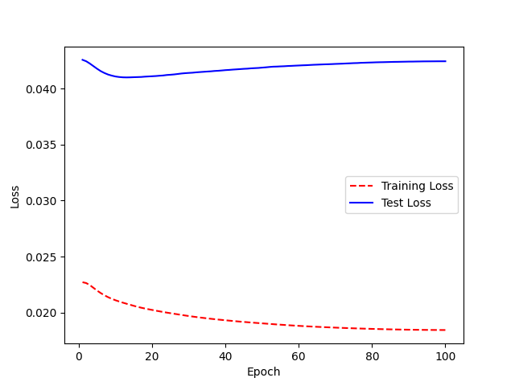
 |  | 7 | 0.9375 |  |  | 7 | 0.9375
 |  | 8 | 0.9375 |  |  | 8 | 0.9375
 |  | 9 | 0.9375 |  |  | 9 | 0.953125
 |  | 10 | 0.96875 | Model is : LJSPEECH_NEWHYPER_TransferLearning3_M04 |  | 10 | 0.953125
 |  | 11 | 0.921875 |  |  | 11 | 0.96875
 |  | 12 | 0.953125 |  |  | 12 | 0.96875
LJSPEECH_NEWHYPER_TransferLearning2_M04 |  | 13 | 0.9375 |  |  | 13 | 0.96875
 |  | 14 | 0.953125 |  |  | 14 | 0.96875
 |  | 15 | 0.984375 |  |  | 15 | 0.96875
 |  | 16 | 0.96875 |  |  | 16 | 0.96875
 |  | 17 | 0.953125 |  |  | 17 | 0.96875
 |  | 18 | 1 |  |  | 18 | 0.96875
 |  | 19 | 0.921875 |  |  | 19 | 0.96875
 |  | 20 | 0.9375 |  |  | 20 | 0.96875
 |  | 21 | 1 |  |  | 21 | 0.96875
 |  | 22 | 0.96875 |  |  | 22 | 0.96875
 |  | 23 | 0.9375 |  |  | 23 | 0.96875
 |  | 24 | 0.984375 |  |  | 24 | 0.96875
 |  | 25 | 0.984375 |  |  | 25 | 0.96875
 |  | 26 | 0.9375 |  |  | 26 | 0.953125
 |  | 27 | 0.921875 |  |  | 27 | 0.953125
 |  | 28 | 0.953125 |  |  | 28 | 0.953125
 |  | 29 | 0.9375 |  |  | 29 | 0.953125
 |  | 30 | 0.9375 |  |  | 30 | 0.9375
 |  | 31 | 0.9375 |  |  | 31 | 0.9375
 |  | 32 | 0.9375 |  |  | 32 | 0.9375
 |  | 33 | 0.9375 |  |  | 33 | 0.9375
 |  | 34 | 0.9375 |  |  | 34 | 0.9375
 |  | 35 | 0.9375 |  |  | 35 | 0.9375
 |  | 36 | 0.9375 |  |  | 36 | 0.9375
 |  | 37 | 0.9375 |  |  | 37 | 0.9375
 |  | 38 | 0.9375 |  |  | 38 | 0.9375
 |  | 39 | 0.9375 |  |  | 39 | 0.921875
 |  | 40 | 0.9375 |  |  | 40 | 0.921875
 |  | 41 | 0.9375 |  |  | 41 | 0.921875
 |  | 42 | 0.9375 |  |  | 42 | 0.921875
 |  | 43 | 0.9375 |  |  | 43 | 0.921875
 |  | 44 | 0.9375 |  |  | 44 | 0.9375
 |  | 45 | 0.9375 |  |  | 45 | 0.9375
 |  | 46 | 0.9375 |  |  | 46 | 0.9375
 |  | 47 | 0.9375 |  |  | 47 | 0.9375
 |  | 48 | 0.9375 |  |  | 48 | 0.9375
 |  | 49 | 0.9375 |  |  | 49 | 0.9375
 |  | 50 | 0.9375 |  |  | 50 | 0.9375
 |  | 51 | 0.9375 |  |  | 51 | 0.9375
 |  | 52 | 0.9375 |  |  | 52 | 0.9375
 |  | 53 | 0.9375 |  |  | 53 | 0.9375
 |  | 54 | 0.9375 |  |  | 54 | 0.9375
 |  | 55 | 0.9375 |  |  | 55 | 0.9375
 |  | 56 | 0.9375 |  |  | 56 | 0.9375
 |  | 57 | 0.9375 |  |  | 57 | 0.9375
 |  | 58 | 0.9375 |  |  | 58 | 0.9375
 |  | 59 | 0.953125 |  |  | 59 | 0.9375
 |  | 60 | 0.953125 |  |  | 60 | 0.9375
 |  | 61 | 0.953125 |  |  | 61 | 0.9375
 |  | 62 | 0.953125 |  |  | 62 | 0.9375
 |  | 63 | 0.953125 |  |  | 63 | 0.953125
 |  | 64 | 0.953125 |  |  | 64 | 0.953125
 |  | 65 | 0.953125 |  |  | 65 | 0.953125
 |  | 66 | 0.953125 |  |  | 66 | 0.953125
 |  | 67 | 0.953125 |  |  | 67 | 0.953125
 |  | 68 | 0.953125 |  |  | 68 | 0.953125
 |  | 69 | 0.953125 |  |  | 69 | 0.953125
 |  | 70 | 0.953125 |  |  | 70 | 0.953125
 |  | 71 | 0.953125 |  |  | 71 | 0.953125
 |  | 72 | 0.953125 |  |  | 72 | 0.953125
 |  | 73 | 0.953125 |  |  | 73 | 0.953125
 |  | 74 | 0.953125 |  |  | 74 | 0.953125
 |  | 75 | 0.953125 |  |  | 75 | 0.953125
 |  | 76 | 0.953125 |  |  | 76 | 0.953125
 |  | 77 | 0.953125 |  |  | 77 | 0.953125
 |  | 78 | 0.953125 |  |  | 78 | 0.953125
 |  | 79 | 0.953125 |  |  | 79 | 0.953125
 |  | 80 | 0.953125 |  |  | 80 | 0.953125
 |  | 81 | 0.953125 |  |  | 81 | 0.953125
 |  | 82 | 0.953125 |  |  | 82 | 0.953125
 |  | 83 | 0.953125 |  |  | 83 | 0.953125
 |  | 84 | 0.953125 |  |  | 84 | 0.953125
 |  | 85 | 0.953125 |  |  | 85 | 0.953125
 |  | 86 | 0.953125 |  |  | 86 | 0.953125
 |  | 87 | 0.953125 |  |  | 87 | 0.953125
 |  | 88 | 0.953125 |  |  | 88 | 0.953125
 |  | 89 | 0.953125 |  |  | 89 | 0.953125
 |  | 90 | 0.953125 |  |  | 90 | 0.953125
 |  | 91 | 0.953125 |  |  | 91 | 0.953125
 |  | 92 | 0.953125 |  |  | 92 | 0.953125
 |  | 93 | 0.953125 |  |  | 93 | 0.953125
 |  | 94 | 0.953125 |  |  | 94 | 0.953125
 |  | 95 | 0.953125 |  |  | 95 | 0.953125
 |  | 96 | 0.953125 |  |  | 96 | 0.953125
 |  | 97 | 0.953125 |  |  | 97 | 0.953125
 |  | 98 | 0.953125 |  |  | 98 | 0.953125
 |  | 99 | 0.953125

